Issue Sheet
Issue Sheet

r | Control Information

 |  | Issue No. |  | TIP | I | A | 01831 | Type |  |  | Request |  | Status |  |  | OPEN
 |  | Creation Date |  | 2020-06-30 |  |  |  | Due Date |  |  | 2020-07-03 |  | Close Date
 |  | Priority |  | High |  |  |  | System |  |  | EBS |  | Application Module |  |  | MFG(Addon)

r | Inquiry Information

 |  | [TIP ENDUSER/TIPISD/ME-Sui] |  |  |  |  |  |  | [TIPISD/ME-Sui] |  |  |  |  | [ME-Sui]
 |  |  | Request | Approval |  |  |  |  |  | Registration |  | Approval |  |  | Reception |  | Assignment
 |  | Dept. | TIP-ISD | TIP-ISD |  |  |  |  | Dept. |  |  |  |  | Dept.
 |  | Name | R. De Villa | C. Tapia |  |  |  |  | Name |  |  |  |  | Name
 |  | Date | 2020-06-30 | 2020-06-30 |  |  |  |  | Date |  |  |  |  | Date

 |  | Issue Category |  | Operation
 |  | Title |  | Recovery of PIAR for MDSMAT
 |  | Issue |  | Encounter negative qty upon running of PIAR for MDSMAT

**PLEASE FILL OUT ORANGE SHEETS ALSO**

 |  | Reason |  | There are negative onhand w/o locator and positive qty w/ locator for some MDS items.

 |  | Detail Attachment |  | Yes |  |  |  | Link to Attachment Sheet

r | Investigation Information

 |  | [TIPISD/ME-Sui] |  |  |  |  |  |  | [TIPISD/ME-Sui] |  |  |  |  | [TIP ENDUSER]
 |  |  | Investigation | Approval |  |  |  |  |  | Confirmation |  | Approval |  |  | Confirmation |  | Approval
 |  | Dept. |  |  |  |  |  |  | Dept. |  |  |  |  | Dept.
 |  | Name |  |  |  |  |  |  | Name |  |  |  |  | Name
 |  | Date |  |  |  |  |  |  | Date |  |  |  |  | Date

 |  | Cause Category
 |  | Cause

 |  | Workaround and Countermeasure

 |  | Detail Attachement |  |  |  |  |  | Link to Attachment Sheet

r | Actual Operation Information
 |  | [TIPISD/ME-Sui] |  |  |  |  |  |  | [TIPISD/ME-Sui] |  |  |  |  | [TIP ENDUSER]
 |  |  | Operation | Approval |  |  |  |  |  | Confirmation |  | Approval |  |  | Confirmation |  | Approval
 |  | Dept. | TIP-ISD | TIP-ISD |  |  |  |  | Dept. |  |  |  |  | Dept.
 |  | Name | R. De Villa | C. Tapia |  |  |  |  | Name |  |  |  |  | Name
 |  | Date | 2020-06-30 | 2020-06-30 |  |  |  |  | Date |  |  |  |  | Date

 |  | Actual Operation |  | See Actual Operation Last Jun. 30, 2020

 |  | Evidence Attachment |  | Yes |  |  |  | Link to Attachment Sheet
 |  |  |  |  |  |  |  |  |  |  |  |  |  |  |  |  |  | TIP.3109.R2

Actual Operation Evidence
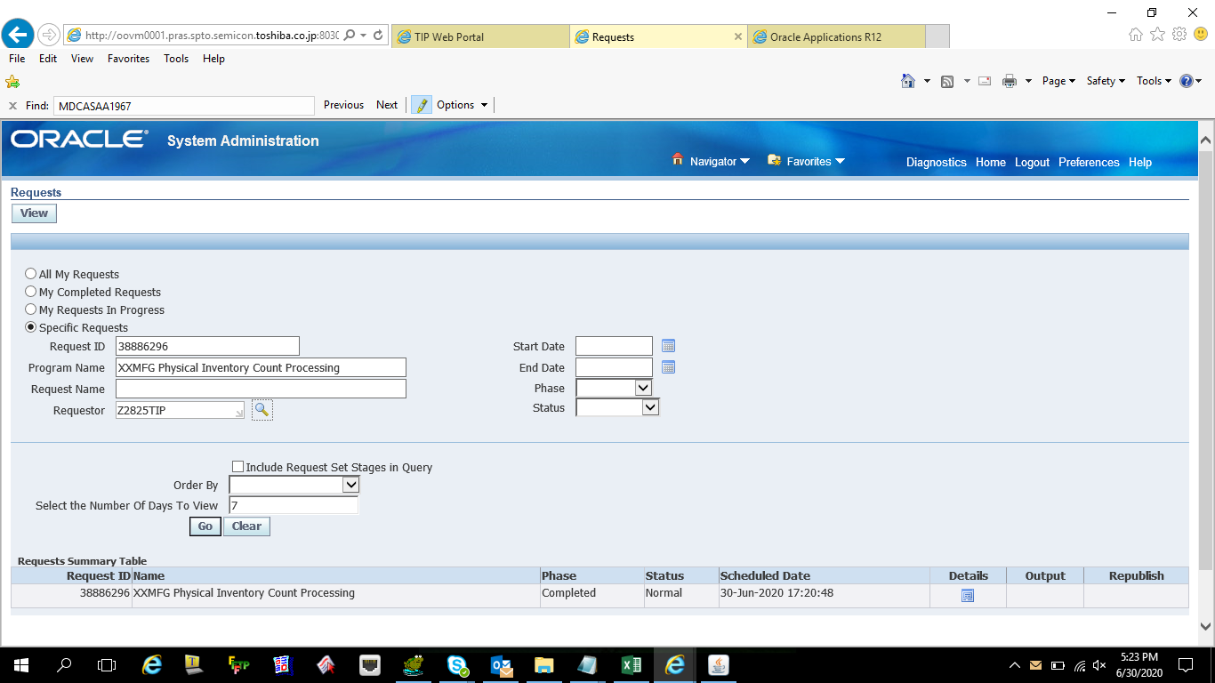
Actual Operation Evidence

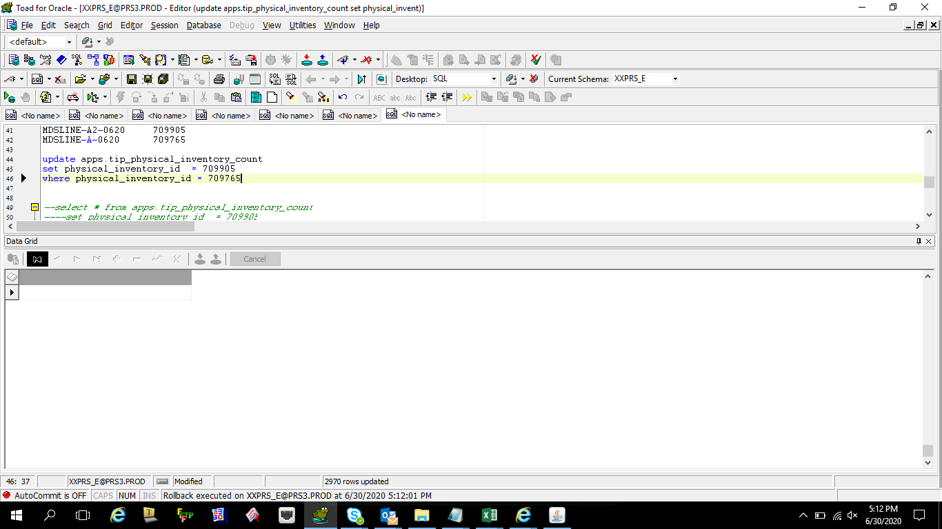

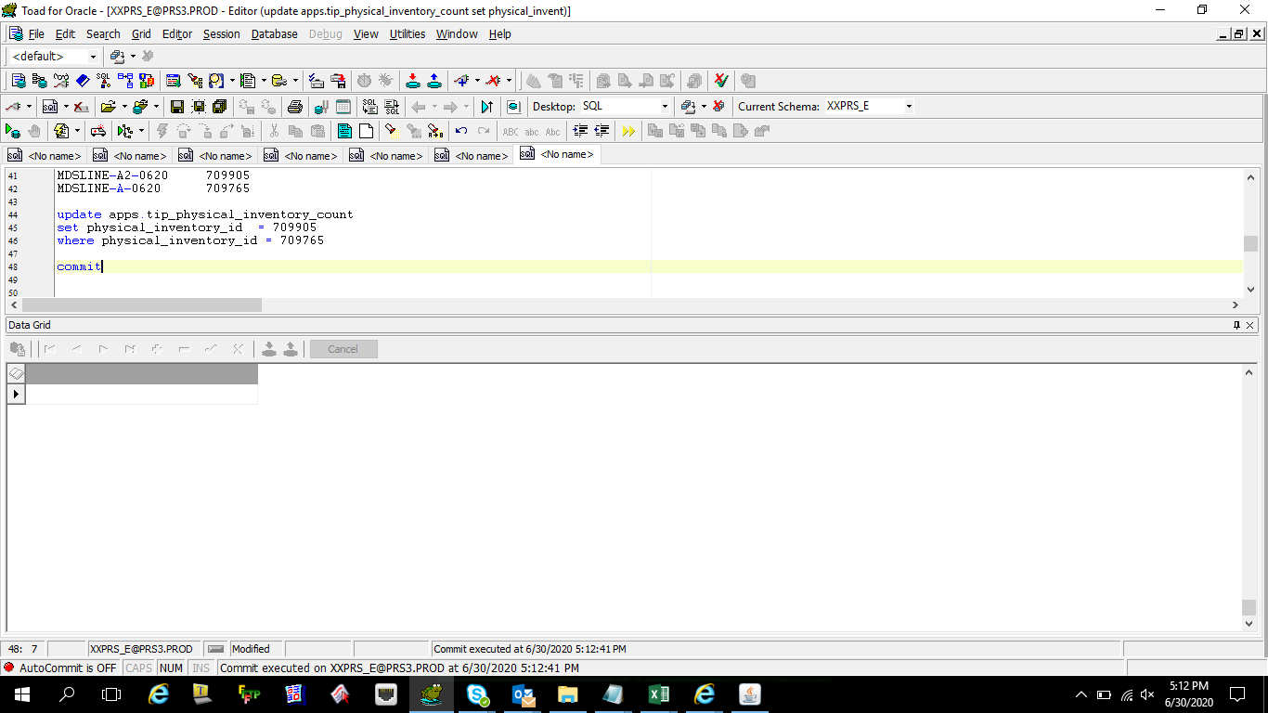

 | select * from apps.tip_physical_inventory_count
 | --set physical_inventory_id = 709905
 | where physical_inventory_id = 709765

 | PHYSICAL_INVENTORY_ID | SUBINVENTORY_NAME | ITEM_TYPE | OPERATION_SEQUENCE | INVENTORY_ITEM_ID | COUNT_QTY | PROCESS_FLAG | ORGANIZATION_ID | LOCATION | ITEM_CODE | CREATION_DATE | CREATED_BY | LAST_UPDATE_DATE | LAST_UPDATED_BY | TAG_NUMBER | TRANSACTION_ID | REMARKS | LOCATOR_ID
 | 709765 |  | BUY |  | 2501721 | 32 | 2 | 324 | MACHINE ASSYMBLE |  | 6/29/20 | 11249 | 6/29/20 | 11249 | 1293411 | 3877700 | Uploaded
 | 709765 |  | BUY |  | 2503654 | 1 | 2 | 324 | MACHINE ASSYMBLE |  | 6/29/20 | 11249 | 6/29/20 | 11249 | 1293420 | 3877701 | Uploaded
 | 709765 |  | BUY |  | 2503656 | 1 | 2 | 324 | MACHINE ASSYMBLE |  | 6/29/20 | 11249 | 6/29/20 | 11249 | 1293421 | 3877702 | Uploaded
 | 709765 |  | BUY |  | 2503658 | 9 | 2 | 324 | MACHINE ASSYMBLE |  | 6/29/20 | 11249 | 6/29/20 | 11249 | 1293422 | 3877703 | Uploaded
 | 709765 |  | BUY |  | 2504812 | 9 | 2 | 324 | MACHINE ASSYMBLE |  | 6/29/20 | 11249 | 6/29/20 | 11249 | 1293412 | 3877704 | Uploaded
 | 709765 |  | BUY |  | 2504833 | 20 | 2 | 324 | MACHINE ASSYMBLE |  | 6/29/20 | 11249 | 6/29/20 | 11249 | 1293413 | 3877705 | Uploaded
 | 709765 |  | BUY |  | 2504848 | 60 | 2 | 324 | MACHINE ASSYMBLE |  | 6/29/20 | 11249 | 6/29/20 | 11249 | 1293423 | 3877706 | Uploaded
 | 709765 |  | BUY |  | 2504851 | 467 | 2 | 324 | MACHINE ASSYMBLE |  | 6/29/20 | 11249 | 6/29/20 | 11249 | 1293424 | 3877707 | Uploaded
 | 709765 |  | BUY |  | 2504852 | 9 | 2 | 324 | MACHINE ASSYMBLE |  | 6/29/20 | 11249 | 6/29/20 | 11249 | 1293414 | 3877708 | Uploaded
 | 709765 |  | BUY |  | 2504856 | 734 | 2 | 324 | MACHINE ASSYMBLE |  | 6/29/20 | 11249 | 6/29/20 | 11249 | 1293425 | 3877709 | Uploaded
 | 709765 |  | BUY |  | 2504863 | 0.08 | 2 | 324 | MACHINE ASSYMBLE |  | 6/29/20 | 11249 | 6/29/20 | 11249 | 1293415 | 3877710 | Uploaded
 | 709765 |  | BUY |  | 2504870 | 0.08 | 2 | 324 | MACHINE ASSYMBLE |  | 6/29/20 | 11249 | 6/29/20 | 11249 | 1293416 | 3877711 | Uploaded
 | 709765 |  | BUY |  | 2504880 | 30 | 2 | 324 | MACHINE ASSYMBLE |  | 6/29/20 | 11249 | 6/29/20 | 11249 | 1293426 | 3877712 | Uploaded
 | 709765 |  | BUY |  | 2504893 | 267 | 2 | 324 | MACHINE ASSYMBLE |  | 6/29/20 | 11249 | 6/29/20 | 11249 | 1293427 | 3877713 | Uploaded
 | 709765 |  | BUY |  | 2504895 | 1577 | 2 | 324 | MACHINE ASSYMBLE |  | 6/29/20 | 11249 | 6/29/20 | 11249 | 1293428 | 3877714 | Uploaded
 | 709765 |  | BUY |  | 2504899 | 1660 | 2 | 324 | MACHINE ASSYMBLE |  | 6/29/20 | 11249 | 6/29/20 | 11249 | 1293429 | 3877715 | Uploaded
 | 709765 |  | BUY |  | 2504902 | 242 | 2 | 324 | MACHINE ASSYMBLE |  | 6/29/20 | 11249 | 6/29/20 | 11249 | 1293430 | 3877716 | Uploaded
 | 709765 |  | BUY |  | 2504903 | 476 | 2 | 324 | MACHINE ASSYMBLE |  | 6/29/20 | 11249 | 6/29/20 | 11249 | 1293431 | 3877717 | Uploaded
 | 709765 |  | BUY |  | 2504907 | 27 | 2 | 324 | MACHINE ASSYMBLE |  | 6/29/20 | 11249 | 6/29/20 | 11249 | 1293432 | 3877718 | Uploaded
 | 709765 |  | BUY |  | 2504908 | 40 | 2 | 324 | MACHINE ASSYMBLE |  | 6/29/20 | 11249 | 6/29/20 | 11249 | 1293433 | 3877719 | Uploaded
 | 709765 |  | BUY |  | 2504911 | 192 | 2 | 324 | MACHINE ASSYMBLE |  | 6/29/20 | 11249 | 6/29/20 | 11249 | 1293434 | 3877720 | Uploaded
 | 709765 |  | BUY |  | 2504912 | 180 | 2 | 324 | MACHINE ASSYMBLE |  | 6/29/20 | 11249 | 6/29/20 | 11249 | 1293435 | 3877721 | Uploaded
 | 709765 |  | BUY |  | 2504916 | 1265 | 2 | 324 | MACHINE ASSYMBLE |  | 6/29/20 | 11249 | 6/29/20 | 11249 | 1293436 | 3877722 | Uploaded
 | 709765 |  | BUY |  | 2504924 | 47 | 2 | 324 | MACHINE ASSYMBLE |  | 6/29/20 | 11249 | 6/29/20 | 11249 | 1293437 | 3877723 | Uploaded
 | 709765 |  | BUY |  | 2505019 | 496 | 2 | 324 | MACHINE ASSYMBLE |  | 6/29/20 | 11249 | 6/29/20 | 11249 | 1293438 | 3877724 | Uploaded
 | 709765 |  | BUY |  | 2505020 | 944 | 2 | 324 | MACHINE ASSYMBLE |  | 6/29/20 | 11249 | 6/29/20 | 11249 | 1293439 | 3877725 | Uploaded
 | 709765 |  | BUY |  | 2505035 | 607 | 2 | 324 | MACHINE ASSYMBLE |  | 6/29/20 | 11249 | 6/29/20 | 11249 | 1293440 | 3877726 | Uploaded
 | 709765 |  | BUY |  | 2505047 | 1 | 2 | 324 | MACHINE ASSYMBLE |  | 6/29/20 | 11249 | 6/29/20 | 11249 | 1293417 | 3877727 | Uploaded
 | 709765 |  | BUY |  | 2505051 | 96 | 2 | 324 | MACHINE ASSYMBLE |  | 6/29/20 | 11249 | 6/29/20 | 11249 | 1293441 | 3877728 | Uploaded
 | 709765 |  | BUY |  | 2505053 | 69 | 2 | 324 | MACHINE ASSYMBLE |  | 6/29/20 | 11249 | 6/29/20 | 11249 | 1293442 | 3877729 | Uploaded
 | 709765 |  | BUY |  | 2505057 | 2 | 2 | 324 | MACHINE ASSYMBLE |  | 6/29/20 | 11249 | 6/29/20 | 11249 | 1293418 | 3877730 | Uploaded
 | 709765 |  | BUY |  | 2505058 | 3 | 2 | 324 | MACHINE ASSYMBLE |  | 6/29/20 | 11249 | 6/29/20 | 11249 | 1293443 | 3877731 | Uploaded
 | 709765 |  | BUY |  | 2505061 | 78 | 2 | 324 | MACHINE ASSYMBLE |  | 6/29/20 | 11249 | 6/29/20 | 11249 | 1293444 | 3877732 | Uploaded
 | 709765 |  | BUY |  | 2505078 | 520 | 2 | 324 | MACHINE ASSYMBLE |  | 6/29/20 | 11249 | 6/29/20 | 11249 | 1293445 | 3877733 | Uploaded
 | 709765 |  | BUY |  | 2505091 | 536 | 2 | 324 | MACHINE ASSYMBLE |  | 6/29/20 | 11249 | 6/29/20 | 11249 | 1293446 | 3877734 | Uploaded
 | 709765 |  | BUY |  | 2505095 | 10 | 2 | 324 | MACHINE ASSYMBLE |  | 6/29/20 | 11249 | 6/29/20 | 11249 | 1293447 | 3877735 | Uploaded
 | 709765 |  | BUY |  | 2505098 | 26 | 2 | 324 | MACHINE ASSYMBLE |  | 6/29/20 | 11249 | 6/29/20 | 11249 | 1293419 | 3877736 | Uploaded
 | 709765 |  | BUY |  | 2505108 | 192 | 2 | 324 | MACHINE ASSYMBLE |  | 6/29/20 | 11249 | 6/29/20 | 11249 | 1293448 | 3877737 | Uploaded
 | 709765 |  | BUY |  | 2505113 | 24 | 2 | 324 | MACHINE ASSYMBLE |  | 6/29/20 | 11249 | 6/29/20 | 11249 | 1293449 | 3877738 | Uploaded
 | 709765 |  | BUY |  | 2505124 | 496 | 2 | 324 | MACHINE ASSYMBLE |  | 6/29/20 | 11249 | 6/29/20 | 11249 | 1293450 | 3877739 | Uploaded
 | 709765 |  | BUY |  | 2505128 | 381 | 2 | 324 | MACHINE ASSYMBLE |  | 6/29/20 | 11249 | 6/29/20 | 11249 | 1293451 | 3877740 | Uploaded
 | 709765 |  | BUY |  | 2505130 | 150 | 2 | 324 | MACHINE ASSYMBLE |  | 6/29/20 | 11249 | 6/29/20 | 11249 | 1293452 | 3877741 | Uploaded
 | 709765 |  | BUY |  | 2505133 | 20 | 2 | 324 | MACHINE ASSYMBLE |  | 6/29/20 | 11249 | 6/29/20 | 11249 | 1293453 | 3877742 | Uploaded
 | 709765 |  | BUY |  | 2505135 | 28 | 2 | 324 | MACHINE ASSYMBLE |  | 6/29/20 | 11249 | 6/29/20 | 11249 | 1293454 | 3877743 | Uploaded
 | 709765 |  | BUY |  | 2505138 | 142 | 2 | 324 | MACHINE ASSYMBLE |  | 6/29/20 | 11249 | 6/29/20 | 11249 | 1293455 | 3877744 | Uploaded
 | 709765 |  | BUY |  | 2505141 | 372 | 2 | 324 | MACHINE ASSYMBLE |  | 6/29/20 | 11249 | 6/29/20 | 11249 | 1293456 | 3877745 | Uploaded
 | 709765 |  | BUY |  | 2505146 | 158 | 2 | 324 | MACHINE ASSYMBLE |  | 6/29/20 | 11249 | 6/29/20 | 11249 | 1293457 | 3877746 | Uploaded
 | 709765 |  | BUY |  | 2505151 | 158 | 2 | 324 | MACHINE ASSYMBLE |  | 6/29/20 | 11249 | 6/29/20 | 11249 | 1293458 | 3877747 | Uploaded
 | 709765 |  | BUY |  | 2505156 | 194 | 2 | 324 | MACHINE ASSYMBLE |  | 6/29/20 | 11249 | 6/29/20 | 11249 | 1293459 | 3877748 | Uploaded
 | 709765 |  | BUY |  | 2505161 | 120 | 2 | 324 | MACHINE ASSYMBLE |  | 6/29/20 | 11249 | 6/29/20 | 11249 | 1293460 | 3877749 | Uploaded
 | 709765 |  | BUY |  | 2505164 | 100 | 2 | 324 | MACHINE ASSYMBLE |  | 6/29/20 | 11249 | 6/29/20 | 11249 | 1293461 | 3877750 | Uploaded
 | 709765 |  | BUY |  | 2505174 | 376 | 2 | 324 | MACHINE ASSYMBLE |  | 6/29/20 | 11249 | 6/29/20 | 11249 | 1293462 | 3877751 | Uploaded
 | 709765 |  | BUY |  | 2505175 | 156 | 2 | 324 | MACHINE ASSYMBLE |  | 6/29/20 | 11249 | 6/29/20 | 11249 | 1293463 | 3877752 | Uploaded
 | 709765 |  | BUY |  | 2505179 | 334 | 2 | 324 | MACHINE ASSYMBLE |  | 6/29/20 | 11249 | 6/29/20 | 11249 | 1293464 | 3877753 | Uploaded
 | 709765 |  | BUY |  | 2505181 | 46 | 2 | 324 | MACHINE ASSYMBLE |  | 6/29/20 | 11249 | 6/29/20 | 11249 | 1293465 | 3877754 | Uploaded
 | 709765 |  | BUY |  | 2505183 | 356 | 2 | 324 | MACHINE ASSYMBLE |  | 6/29/20 | 11249 | 6/29/20 | 11249 | 1293466 | 3877755 | Uploaded
 | 709765 |  | BUY |  | 2505187 | 100 | 2 | 324 | MACHINE ASSYMBLE |  | 6/29/20 | 11249 | 6/29/20 | 11249 | 1293467 | 3877756 | Uploaded
 | 709765 |  | BUY |  | 2505190 | 74 | 2 | 324 | MACHINE ASSYMBLE |  | 6/29/20 | 11249 | 6/29/20 | 11249 | 1293468 | 3877757 | Uploaded
 | 709765 |  | BUY |  | 2505192 | 5 | 2 | 324 | MACHINE ASSYMBLE |  | 6/29/20 | 11249 | 6/29/20 | 11249 | 1293469 | 3877758 | Uploaded
 | 709765 |  | BUY |  | 2505195 | 100 | 2 | 324 | MACHINE ASSYMBLE |  | 6/29/20 | 11249 | 6/29/20 | 11249 | 1293470 | 3877759 | Uploaded
 | 709765 |  | BUY |  | 2506934 | 256 | 2 | 324 | MACHINE ASSYMBLE |  | 6/29/20 | 11249 | 6/29/20 | 11249 | 1293471 | 3877760 | Uploaded
 | 709765 |  | BUY |  | 2506937 | 491 | 2 | 324 | MACHINE ASSYMBLE |  | 6/29/20 | 11249 | 6/29/20 | 11249 | 1293472 | 3877761 | Uploaded
 | 709765 |  | BUY |  | 2506938 | 26 | 2 | 324 | MACHINE ASSYMBLE |  | 6/29/20 | 11249 | 6/29/20 | 11249 | 1293473 | 3877762 | Uploaded
 | 709765 |  | BUY |  | 2506941 | 141 | 2 | 324 | MACHINE ASSYMBLE |  | 6/29/20 | 11249 | 6/29/20 | 11249 | 1293474 | 3877763 | Uploaded
 | 709765 |  | BUY |  | 2506942 | 288 | 2 | 324 | MACHINE ASSYMBLE |  | 6/29/20 | 11249 | 6/29/20 | 11249 | 1293475 | 3877764 | Uploaded
 | 709765 |  | BUY |  | 2506943 | 290 | 2 | 324 | MACHINE ASSYMBLE |  | 6/29/20 | 11249 | 6/29/20 | 11249 | 1293476 | 3877765 | Uploaded
 | 709765 |  | BUY |  | 2506947 | 100 | 2 | 324 | MACHINE ASSYMBLE |  | 6/29/20 | 11249 | 6/29/20 | 11249 | 1293477 | 3877766 | Uploaded
 | 709765 |  | BUY |  | 2506948 | 97 | 2 | 324 | MACHINE ASSYMBLE |  | 6/29/20 | 11249 | 6/29/20 | 11249 | 1293478 | 3877767 | Uploaded
 | 709765 |  | BUY |  | 2585488 | 100 | 2 | 324 | MACHINE ASSYMBLE |  | 6/29/20 | 11249 | 6/29/20 | 11249 | 1293479 | 3877768 | Uploaded
 | 709765 |  | BUY |  | 2585492 | 80 | 2 | 324 | MACHINE ASSYMBLE |  | 6/29/20 | 11249 | 6/29/20 | 11249 | 1293480 | 3877769 | Uploaded
 | 709765 |  | BUY |  | 2585493 | 44 | 2 | 324 | MACHINE ASSYMBLE |  | 6/29/20 | 11249 | 6/29/20 | 11249 | 1293481 | 3877770 | Uploaded
 | 709765 |  | BUY |  | 2585498 | 58 | 2 | 324 | MACHINE ASSYMBLE |  | 6/29/20 | 11249 | 6/29/20 | 11249 | 1293484 | 3877771 | Uploaded
 | 709765 |  | BUY |  | 2585503 | 3 | 2 | 324 | MACHINE ASSYMBLE |  | 6/29/20 | 11249 | 6/29/20 | 11249 | 1293485 | 3877772 | Uploaded
 | 709765 |  | BUY |  | 2585504 | 77 | 2 | 324 | MACHINE ASSYMBLE |  | 6/29/20 | 11249 | 6/29/20 | 11249 | 1293486 | 3877773 | Uploaded
 | 709765 |  | BUY |  | 2585519 | 58 | 2 | 324 | MACHINE ASSYMBLE |  | 6/29/20 | 11249 | 6/29/20 | 11249 | 1293487 | 3877774 | Uploaded
 | 709765 |  | BUY |  | 2585522 | 3 | 2 | 324 | MACHINE ASSYMBLE |  | 6/29/20 | 11249 | 6/29/20 | 11249 | 1293488 | 3877775 | Uploaded
 | 709765 |  | BUY |  | 2585524 | 77 | 2 | 324 | MACHINE ASSYMBLE |  | 6/29/20 | 11249 | 6/29/20 | 11249 | 1293489 | 3877776 | Uploaded
 | 709765 |  | BUY |  | 2585537 | 104 | 2 | 324 | MACHINE ASSYMBLE |  | 6/29/20 | 11249 | 6/29/20 | 11249 | 1293482 | 3877777 | Uploaded
 | 709765 |  | BUY |  | 2585543 | 90 | 2 | 324 | MACHINE ASSYMBLE |  | 6/29/20 | 11249 | 6/29/20 | 11249 | 1293483 | 3877778 | Uploaded
 | 709765 |  | BUY |  | 2585550 | 46 | 2 | 324 | MACHINE ASSYMBLE |  | 6/29/20 | 11249 | 6/29/20 | 11249 | 1293490 | 3877779 | Uploaded
 | 709765 |  | BUY |  | 2585551 | 100 | 2 | 324 | MACHINE ASSYMBLE |  | 6/29/20 | 11249 | 6/29/20 | 11249 | 1293491 | 3877780 | Uploaded
 | 709765 |  | BUY |  | 2645852 | 18 | 2 | 324 | MACHINE ASSYMBLE |  | 6/29/20 | 11249 | 6/29/20 | 11249 | 1293492 | 3877781 | Uploaded
 | 709765 |  | BUY |  | 2686812 | 183 | 2 | 324 | MACHINE ASSYMBLE |  | 6/29/20 | 11249 | 6/29/20 | 11249 | 1293493 | 3877782 | Uploaded
 | 709765 |  | BUY |  | 2687816 | 58 | 2 | 324 | MACHINE ASSYMBLE |  | 6/29/20 | 11249 | 6/29/20 | 11249 | 1293494 | 3877783 | Uploaded
 | 709765 |  | BUY |  | 2913275 | 2680 | 2 | 324 | MACHINE ASSYMBLE |  | 6/29/20 | 11249 | 6/29/20 | 11249 | 1291195 | 3877784 | Uploaded
 | 709765 |  | BUY |  | 2914258 | 179 | 2 | 324 | MACHINE ASSYMBLE |  | 6/29/20 | 11249 | 6/29/20 | 11249 | 1291203 | 3877785 | Uploaded
 | 709765 |  | BUY |  | 2914260 | 2 | 2 | 324 | MACHINE ASSYMBLE |  | 6/29/20 | 11249 | 6/29/20 | 11249 | 1291204 | 3877786 | Uploaded
 | 709765 |  | BUY |  | 2914265 | 578 | 2 | 324 | MACHINE ASSYMBLE |  | 6/29/20 | 11249 | 6/29/20 | 11249 | 1291196 | 3877787 | Uploaded
 | 709765 |  | BUY |  | 2914290 | 8 | 2 | 324 | MACHINE ASSYMBLE |  | 6/29/20 | 11249 | 6/29/20 | 11249 | 1291205 | 3877788 | Uploaded
 | 709765 |  | BUY |  | 2914304 | 3 | 2 | 324 | MACHINE ASSYMBLE |  | 6/29/20 | 11249 | 6/29/20 | 11249 | 1291206 | 3877789 | Uploaded
 | 709765 |  | BUY |  | 2914307 | 6 | 2 | 324 | MACHINE ASSYMBLE |  | 6/29/20 | 11249 | 6/29/20 | 11249 | 1291197 | 3877790 | Uploaded
 | 709765 |  | BUY |  | 2914310 | 72 | 2 | 324 | MACHINE ASSYMBLE |  | 6/29/20 | 11249 | 6/29/20 | 11249 | 1291198 | 3877791 | Uploaded
 | 709765 |  | BUY |  | 2914317 | 82 | 2 | 324 | MACHINE ASSYMBLE |  | 6/29/20 | 11249 | 6/29/20 | 11249 | 1291211 | 3877792 | Uploaded
 | 709765 |  | BUY |  | 2914321 | 584 | 2 | 324 | MACHINE ASSYMBLE |  | 6/29/20 | 11249 | 6/29/20 | 11249 | 1291210 | 3877793 | Uploaded
 | 709765 |  | BUY |  | 2914332 | 145 | 2 | 324 | MACHINE ASSYMBLE |  | 6/29/20 | 11249 | 6/29/20 | 11249 | 1291199 | 3877794 | Uploaded
 | 709765 |  | BUY |  | 2914334 | 2 | 2 | 324 | MACHINE ASSYMBLE |  | 6/29/20 | 11249 | 6/29/20 | 11249 | 1291200 | 3877795 | Uploaded
 | 709765 |  | BUY |  | 2914336 | 36 | 2 | 324 | MACHINE ASSYMBLE |  | 6/29/20 | 11249 | 6/29/20 | 11249 | 1291209 | 3877796 | Uploaded
 | 709765 |  | BUY |  | 2914339 | 55 | 2 | 324 | MACHINE ASSYMBLE |  | 6/29/20 | 11249 | 6/29/20 | 11249 | 1291201 | 3877797 | Uploaded
 | 709765 |  | BUY |  | 2914341 | 14 | 2 | 324 | MACHINE ASSYMBLE |  | 6/29/20 | 11249 | 6/29/20 | 11249 | 1291208 | 3877798 | Uploaded
 | 709765 |  | BUY |  | 2914342 | 245 | 2 | 324 | MACHINE ASSYMBLE |  | 6/29/20 | 11249 | 6/29/20 | 11249 | 1291207 | 3877799 | Uploaded
 | 709765 |  | BUY |  | 2914346 | 30 | 2 | 324 | MACHINE ASSYMBLE |  | 6/29/20 | 11249 | 6/29/20 | 11249 | 1291202 | 3877800 | Uploaded
 | 709765 |  | BUY |  | 2916267 | 47 | 2 | 324 | MACHINE ASSYMBLE |  | 6/29/20 | 11249 | 6/29/20 | 11249 | 1291212 | 3877801 | Uploaded
 | 709765 |  | BUY |  | 2916268 | 8 | 2 | 324 | MACHINE ASSYMBLE |  | 6/29/20 | 11249 | 6/29/20 | 11249 | 1291255 | 3877802 | Uploaded
 | 709765 |  | BUY |  | 2916269 | 4 | 2 | 324 | MACHINE ASSYMBLE |  | 6/29/20 | 11249 | 6/29/20 | 11249 | 1291256 | 3877803 | Uploaded
 | 709765 |  | BUY |  | 2916271 | 4 | 2 | 324 | MACHINE ASSYMBLE |  | 6/29/20 | 11249 | 6/29/20 | 11249 | 1291257 | 3877804 | Uploaded
 | 709765 |  | BUY |  | 2916272 | 37 | 2 | 324 | MACHINE ASSYMBLE |  | 6/29/20 | 11249 | 6/29/20 | 11249 | 1291258 | 3877805 | Uploaded
 | 709765 |  | BUY |  | 2916273 | 2 | 2 | 324 | MACHINE ASSYMBLE |  | 6/29/20 | 11249 | 6/29/20 | 11249 | 1291213 | 3877806 | Uploaded
 | 709765 |  | BUY |  | 2916274 | 2 | 2 | 324 | MACHINE ASSYMBLE |  | 6/29/20 | 11249 | 6/29/20 | 11249 | 1291259 | 3877807 | Uploaded
 | 709765 |  | BUY |  | 2916275 | 8 | 2 | 324 | MACHINE ASSYMBLE |  | 6/29/20 | 11249 | 6/29/20 | 11249 | 1291214 | 3877808 | Uploaded
 | 709765 |  | BUY |  | 2916276 | 7 | 2 | 324 | MACHINE ASSYMBLE |  | 6/29/20 | 11249 | 6/29/20 | 11249 | 1291260 | 3877809 | Uploaded
 | 709765 |  | BUY |  | 2916277 | 7 | 2 | 324 | MACHINE ASSYMBLE |  | 6/29/20 | 11249 | 6/29/20 | 11249 | 1291261 | 3877810 | Uploaded
 | 709765 |  | BUY |  | 2916278 | 6 | 2 | 324 | MACHINE ASSYMBLE |  | 6/29/20 | 11249 | 6/29/20 | 11249 | 1291215 | 3877811 | Uploaded
 | 709765 |  | BUY |  | 2916279 | 2 | 2 | 324 | MACHINE ASSYMBLE |  | 6/29/20 | 11249 | 6/29/20 | 11249 | 1291262 | 3877812 | Uploaded
 | 709765 |  | BUY |  | 2916281 | 2 | 2 | 324 | MACHINE ASSYMBLE |  | 6/29/20 | 11249 | 6/29/20 | 11249 | 1291216 | 3877813 | Uploaded
 | 709765 |  | BUY |  | 2916284 | 14 | 2 | 324 | MACHINE ASSYMBLE |  | 6/29/20 | 11249 | 6/29/20 | 11249 | 1291217 | 3877814 | Uploaded
 | 709765 |  | BUY |  | 2916287 | 15 | 2 | 324 | MACHINE ASSYMBLE |  | 6/29/20 | 11249 | 6/29/20 | 11249 | 1291218 | 3877815 | Uploaded
 | 709765 |  | BUY |  | 2916288 | 3 | 2 | 324 | MACHINE ASSYMBLE |  | 6/29/20 | 11249 | 6/29/20 | 11249 | 1291219 | 3877816 | Uploaded
 | 709765 |  | BUY |  | 2916290 | 2 | 2 | 324 | MACHINE ASSYMBLE |  | 6/29/20 | 11249 | 6/29/20 | 11249 | 1291263 | 3877817 | Uploaded
 | 709765 |  | BUY |  | 2916292 | 5 | 2 | 324 | MACHINE ASSYMBLE |  | 6/29/20 | 11249 | 6/29/20 | 11249 | 1291220 | 3877818 | Uploaded
 | 709765 |  | BUY |  | 2916294 | 17 | 2 | 324 | MACHINE ASSYMBLE |  | 6/29/20 | 11249 | 6/29/20 | 11249 | 1291264 | 3877819 | Uploaded
 | 709765 |  | BUY |  | 2916295 | 5 | 2 | 324 | MACHINE ASSYMBLE |  | 6/29/20 | 11249 | 6/29/20 | 11249 | 1291221 | 3877820 | Uploaded
 | 709765 |  | BUY |  | 2916297 | 12 | 2 | 324 | MACHINE ASSYMBLE |  | 6/29/20 | 11249 | 6/29/20 | 11249 | 1291265 | 3877821 | Uploaded
 | 709765 |  | BUY |  | 2916298 | 2 | 2 | 324 | MACHINE ASSYMBLE |  | 6/29/20 | 11249 | 6/29/20 | 11249 | 1291266 | 3877822 | Uploaded
 | 709765 |  | BUY |  | 2916299 | 15 | 2 | 324 | MACHINE ASSYMBLE |  | 6/29/20 | 11249 | 6/29/20 | 11249 | 1291222 | 3877823 | Uploaded
 | 709765 |  | BUY |  | 2916300 | 1 | 2 | 324 | MACHINE ASSYMBLE |  | 6/29/20 | 11249 | 6/29/20 | 11249 | 1291267 | 3877824 | Uploaded
 | 709765 |  | BUY |  | 2916302 | 202 | 2 | 324 | MACHINE ASSYMBLE |  | 6/29/20 | 11249 | 6/29/20 | 11249 | 1291223 | 3877825 | Uploaded
 | 709765 |  | BUY |  | 2916303 | 2 | 2 | 324 | MACHINE ASSYMBLE |  | 6/29/20 | 11249 | 6/29/20 | 11249 | 1291268 | 3877826 | Uploaded
 | 709765 |  | BUY |  | 2916304 | 1546 | 2 | 324 | MACHINE ASSYMBLE |  | 6/29/20 | 11249 | 6/29/20 | 11249 | 1291224 | 3877827 | Uploaded
 | 709765 |  | BUY |  | 2916305 | 42 | 2 | 324 | MACHINE ASSYMBLE |  | 6/29/20 | 11249 | 6/29/20 | 11249 | 1291269 | 3877828 | Uploaded
 | 709765 |  | BUY |  | 2916308 | 4 | 2 | 324 | MACHINE ASSYMBLE |  | 6/29/20 | 11249 | 6/29/20 | 11249 | 1291225 | 3877829 | Uploaded
 | 709765 |  | BUY |  | 2916312 | 5 | 2 | 324 | MACHINE ASSYMBLE |  | 6/29/20 | 11249 | 6/29/20 | 11249 | 1291226 | 3877830 | Uploaded
 | 709765 |  | BUY |  | 2916314 | 6 | 2 | 324 | MACHINE ASSYMBLE |  | 6/29/20 | 11249 | 6/29/20 | 11249 | 1291227 | 3877831 | Uploaded
 | 709765 |  | BUY |  | 2916318 | 7 | 2 | 324 | MACHINE ASSYMBLE |  | 6/29/20 | 11249 | 6/29/20 | 11249 | 1291228 | 3877832 | Uploaded
 | 709765 |  | BUY |  | 2916331 | 52 | 2 | 324 | MACHINE ASSYMBLE |  | 6/29/20 | 11249 | 6/29/20 | 11249 | 1291229 | 3877833 | Uploaded
 | 709765 |  | BUY |  | 2916336 | 14 | 2 | 324 | MACHINE ASSYMBLE |  | 6/29/20 | 11249 | 6/29/20 | 11249 | 1291230 | 3877834 | Uploaded
 | 709765 |  | BUY |  | 2916337 | 4 | 2 | 324 | MACHINE ASSYMBLE |  | 6/29/20 | 11249 | 6/29/20 | 11249 | 1290975 | 3877835 | Uploaded
 | 709765 |  | BUY |  | 2916344 | 28 | 2 | 324 | MACHINE ASSYMBLE |  | 6/29/20 | 11249 | 6/29/20 | 11249 | 1291231 | 3877836 | Uploaded
 | 709765 |  | BUY |  | 2916345 | 8 | 2 | 324 | MACHINE ASSYMBLE |  | 6/29/20 | 11249 | 6/29/20 | 11249 | 1291232 | 3877837 | Uploaded
 | 709765 |  | BUY |  | 2916351 | 2 | 2 | 324 | MACHINE ASSYMBLE |  | 6/29/20 | 11249 | 6/29/20 | 11249 | 1290976 | 3877838 | Uploaded
 | 709765 |  | BUY |  | 2916353 | 2 | 2 | 324 | MACHINE ASSYMBLE |  | 6/29/20 | 11249 | 6/29/20 | 11249 | 1290977 | 3877839 | Uploaded
 | 709765 |  | BUY |  | 2916355 | 2 | 2 | 324 | MACHINE ASSYMBLE |  | 6/29/20 | 11249 | 6/29/20 | 11249 | 1290978 | 3877840 | Uploaded
 | 709765 |  | BUY |  | 2916356 | 2 | 2 | 324 | MACHINE ASSYMBLE |  | 6/29/20 | 11249 | 6/29/20 | 11249 | 1290979 | 3877841 | Uploaded
 | 709765 |  | BUY |  | 2916358 | 2 | 2 | 324 | MACHINE ASSYMBLE |  | 6/29/20 | 11249 | 6/29/20 | 11249 | 1290980 | 3877842 | Uploaded
 | 709765 |  | BUY |  | 2916359 | 2 | 2 | 324 | MACHINE ASSYMBLE |  | 6/29/20 | 11249 | 6/29/20 | 11249 | 1290981 | 3877843 | Uploaded
 | 709765 |  | BUY |  | 2916361 | 2 | 2 | 324 | MACHINE ASSYMBLE |  | 6/29/20 | 11249 | 6/29/20 | 11249 | 1290982 | 3877844 | Uploaded
 | 709765 |  | BUY |  | 2916363 | 1 | 2 | 324 | MACHINE ASSYMBLE |  | 6/29/20 | 11249 | 6/29/20 | 11249 | 1290983 | 3877845 | Uploaded
 | 709765 |  | BUY |  | 2916377 | 1 | 2 | 324 | MACHINE ASSYMBLE |  | 6/29/20 | 11249 | 6/29/20 | 11249 | 1291270 | 3877846 | Uploaded
 | 709765 |  | BUY |  | 2916379 | 1 | 2 | 324 | MACHINE ASSYMBLE |  | 6/29/20 | 11249 | 6/29/20 | 11249 | 1291271 | 3877847 | Uploaded
 | 709765 |  | BUY |  | 2916381 | 3 | 2 | 324 | MACHINE ASSYMBLE |  | 6/29/20 | 11249 | 6/29/20 | 11249 | 1291272 | 3877848 | Uploaded
 | 709765 |  | BUY |  | 2916383 | 1 | 2 | 324 | MACHINE ASSYMBLE |  | 6/29/20 | 11249 | 6/29/20 | 11249 | 1291273 | 3877849 | Uploaded
 | 709765 |  | BUY |  | 2916385 | 1 | 2 | 324 | MACHINE ASSYMBLE |  | 6/29/20 | 11249 | 6/29/20 | 11249 | 1291274 | 3877850 | Uploaded
 | 709765 |  | BUY |  | 2916387 | 1 | 2 | 324 | MACHINE ASSYMBLE |  | 6/29/20 | 11249 | 6/29/20 | 11249 | 1291275 | 3877851 | Uploaded
 | 709765 |  | BUY |  | 2916391 | 10 | 2 | 324 | MACHINE ASSYMBLE |  | 6/29/20 | 11249 | 6/29/20 | 11249 | 1291276 | 3877852 | Uploaded
 | 709765 |  | BUY |  | 2916393 | 22 | 2 | 324 | MACHINE ASSYMBLE |  | 6/29/20 | 11249 | 6/29/20 | 11249 | 1291277 | 3877853 | Uploaded
 | 709765 |  | BUY |  | 2916394 | 6 | 2 | 324 | MACHINE ASSYMBLE |  | 6/29/20 | 11249 | 6/29/20 | 11249 | 1291278 | 3877854 | Uploaded
 | 709765 |  | BUY |  | 2916395 | 3 | 2 | 324 | MACHINE ASSYMBLE |  | 6/29/20 | 11249 | 6/29/20 | 11249 | 1291279 | 3877855 | Uploaded
 | 709765 |  | BUY |  | 2916396 | 74 | 2 | 324 | MACHINE ASSYMBLE |  | 6/29/20 | 11249 | 6/29/20 | 11249 | 1291280 | 3877856 | Uploaded
 | 709765 |  | BUY |  | 2916397 | 8 | 2 | 324 | MACHINE ASSYMBLE |  | 6/29/20 | 11249 | 6/29/20 | 11249 | 1291281 | 3877857 | Uploaded
 | 709765 |  | BUY |  | 2916399 | 93 | 2 | 324 | MACHINE ASSYMBLE |  | 6/29/20 | 11249 | 6/29/20 | 11249 | 1291282 | 3877858 | Uploaded
 | 709765 |  | BUY |  | 2916404 | 92 | 2 | 324 | MACHINE ASSYMBLE |  | 6/29/20 | 11249 | 6/29/20 | 11249 | 1291233 | 3877859 | Uploaded
 | 709765 |  | BUY |  | 2916405 | 26 | 2 | 324 | MACHINE ASSYMBLE |  | 6/29/20 | 11249 | 6/29/20 | 11249 | 1291234 | 3877860 | Uploaded
 | 709765 |  | BUY |  | 2916406 | 70 | 2 | 324 | MACHINE ASSYMBLE |  | 6/29/20 | 11249 | 6/29/20 | 11249 | 1291235 | 3877861 | Uploaded
 | 709765 |  | BUY |  | 2916407 | 16 | 2 | 324 | MACHINE ASSYMBLE |  | 6/29/20 | 11249 | 6/29/20 | 11249 | 1291236 | 3877862 | Uploaded
 | 709765 |  | BUY |  | 2916409 | 3 | 2 | 324 | MACHINE ASSYMBLE |  | 6/29/20 | 11249 | 6/29/20 | 11249 | 1291283 | 3877863 | Uploaded
 | 709765 |  | BUY |  | 2916410 | 14 | 2 | 324 | MACHINE ASSYMBLE |  | 6/29/20 | 11249 | 6/29/20 | 11249 | 1291237 | 3877864 | Uploaded
 | 709765 |  | BUY |  | 2916411 | 4 | 2 | 324 | MACHINE ASSYMBLE |  | 6/29/20 | 11249 | 6/29/20 | 11249 | 1291284 | 3877865 | Uploaded
 | 709765 |  | BUY |  | 2916412 | 2 | 2 | 324 | MACHINE ASSYMBLE |  | 6/29/20 | 11249 | 6/29/20 | 11249 | 1291285 | 3877866 | Uploaded
 | 709765 |  | BUY |  | 2916414 | 2 | 2 | 324 | MACHINE ASSYMBLE |  | 6/29/20 | 11249 | 6/29/20 | 11249 | 1291286 | 3877867 | Uploaded
 | 709765 |  | BUY |  | 2916416 | 14 | 2 | 324 | MACHINE ASSYMBLE |  | 6/29/20 | 11249 | 6/29/20 | 11249 | 1291238 | 3877868 | Uploaded
 | 709765 |  | BUY |  | 2916418 | 5 | 2 | 324 | MACHINE ASSYMBLE |  | 6/29/20 | 11249 | 6/29/20 | 11249 | 1291287 | 3877869 | Uploaded
 | 709765 |  | BUY |  | 2916419 | 3 | 2 | 324 | MACHINE ASSYMBLE |  | 6/29/20 | 11249 | 6/29/20 | 11249 | 1291288 | 3877870 | Uploaded
 | 709765 |  | BUY |  | 2916423 | 8 | 2 | 324 | MACHINE ASSYMBLE |  | 6/29/20 | 11249 | 6/29/20 | 11249 | 1291289 | 3877871 | Uploaded
 | 709765 |  | BUY |  | 2916437 | 4 | 2 | 324 | MACHINE ASSYMBLE |  | 6/29/20 | 11249 | 6/29/20 | 11249 | 1291290 | 3877872 | Uploaded
 | 709765 |  | BUY |  | 2916448 | 1 | 2 | 324 | MACHINE ASSYMBLE |  | 6/29/20 | 11249 | 6/29/20 | 11249 | 1291291 | 3877873 | Uploaded
 | 709765 |  | BUY |  | 2916450 | 1 | 2 | 324 | MACHINE ASSYMBLE |  | 6/29/20 | 11249 | 6/29/20 | 11249 | 1291292 | 3877874 | Uploaded
 | 709765 |  | BUY |  | 2916451 | 35 | 2 | 324 | MACHINE ASSYMBLE |  | 6/29/20 | 11249 | 6/29/20 | 11249 | 1291299 | 3877875 | Uploaded
 | 709765 |  | BUY |  | 2916455 | 2 | 2 | 324 | MACHINE ASSYMBLE |  | 6/29/20 | 11249 | 6/29/20 | 11249 | 1291239 | 3877876 | Uploaded
 | 709765 |  | BUY |  | 2916458 | 24 | 2 | 324 | MACHINE ASSYMBLE |  | 6/29/20 | 11249 | 6/29/20 | 11249 | 1291240 | 3877877 | Uploaded
 | 709765 |  | BUY |  | 2916461 | 1 | 2 | 324 | MACHINE ASSYMBLE |  | 6/29/20 | 11249 | 6/29/20 | 11249 | 1291293 | 3877878 | Uploaded
 | 709765 |  | BUY |  | 2916463 | 52 | 2 | 324 | MACHINE ASSYMBLE |  | 6/29/20 | 11249 | 6/29/20 | 11249 | 1291241 | 3877879 | Uploaded
 | 709765 |  | BUY |  | 2916467 | 12 | 2 | 324 | MACHINE ASSYMBLE |  | 6/29/20 | 11249 | 6/29/20 | 11249 | 1291294 | 3877880 | Uploaded
 | 709765 |  | BUY |  | 2916470 | 84 | 2 | 324 | MACHINE ASSYMBLE |  | 6/29/20 | 11249 | 6/29/20 | 11249 | 1291295 | 3877881 | Uploaded
 | 709765 |  | BUY |  | 2916472 | 44 | 2 | 324 | MACHINE ASSYMBLE |  | 6/29/20 | 11249 | 6/29/20 | 11249 | 1291296 | 3877882 | Uploaded
 | 709765 |  | BUY |  | 2916474 | 2 | 2 | 324 | MACHINE ASSYMBLE |  | 6/29/20 | 11249 | 6/29/20 | 11249 | 1291297 | 3877883 | Uploaded
 | 709765 |  | BUY |  | 2916482 | 54 | 2 | 324 | MACHINE ASSYMBLE |  | 6/29/20 | 11249 | 6/29/20 | 11249 | 1291298 | 3877884 | Uploaded
 | 709765 |  | BUY |  | 2916489 | 4 | 2 | 324 | MACHINE ASSYMBLE |  | 6/29/20 | 11249 | 6/29/20 | 11249 | 1291242 | 3877885 | Uploaded
 | 709765 |  | BUY |  | 2916492 | 8 | 2 | 324 | MACHINE ASSYMBLE |  | 6/29/20 | 11249 | 6/29/20 | 11249 | 1291243 | 3877886 | Uploaded
 | 709765 |  | BUY |  | 2916494 | 8 | 2 | 324 | MACHINE ASSYMBLE |  | 6/29/20 | 11249 | 6/29/20 | 11249 | 1291244 | 3877887 | Uploaded
 | 709765 |  | BUY |  | 2916495 | 33 | 2 | 324 | MACHINE ASSYMBLE |  | 6/29/20 | 11249 | 6/29/20 | 11249 | 1291245 | 3877888 | Uploaded
 | 709765 |  | BUY |  | 2916496 | 6 | 2 | 324 | MACHINE ASSYMBLE |  | 6/29/20 | 11249 | 6/29/20 | 11249 | 1291246 | 3877889 | Uploaded
 | 709765 |  | BUY |  | 2916498 | 2 | 2 | 324 | MACHINE ASSYMBLE |  | 6/29/20 | 11249 | 6/29/20 | 11249 | 1291247 | 3877890 | Uploaded
 | 709765 |  | BUY |  | 2916500 | 8 | 2 | 324 | MACHINE ASSYMBLE |  | 6/29/20 | 11249 | 6/29/20 | 11249 | 1291248 | 3877891 | Uploaded
 | 709765 |  | BUY |  | 2916502 | 5 | 2 | 324 | MACHINE ASSYMBLE |  | 6/29/20 | 11249 | 6/29/20 | 11249 | 1291249 | 3877892 | Uploaded
 | 709765 |  | BUY |  | 2916504 | 1 | 2 | 324 | MACHINE ASSYMBLE |  | 6/29/20 | 11249 | 6/29/20 | 11249 | 1291250 | 3877893 | Uploaded
 | 709765 |  | BUY |  | 2917313 | 4 | 2 | 324 | MACHINE ASSYMBLE |  | 6/29/20 | 11249 | 6/29/20 | 11249 | 1291251 | 3877894 | Uploaded
 | 709765 |  | BUY |  | 2917314 | 4 | 2 | 324 | MACHINE ASSYMBLE |  | 6/29/20 | 11249 | 6/29/20 | 11249 | 1291252 | 3877895 | Uploaded
 | 709765 |  | BUY |  | 2917315 | 1 | 2 | 324 | MACHINE ASSYMBLE |  | 6/29/20 | 11249 | 6/29/20 | 11249 | 1291253 | 3877896 | Uploaded
 | 709765 |  | BUY |  | 2917319 | 30 | 2 | 324 | MACHINE ASSYMBLE |  | 6/29/20 | 11249 | 6/29/20 | 11249 | 1291254 | 3877897 | Uploaded
 | 709765 |  | BUY |  | 2917347 | 2 | 2 | 324 | MACHINE ASSYMBLE |  | 6/29/20 | 11249 | 6/29/20 | 11249 | 1291313 | 3877898 | Uploaded
 | 709765 |  | BUY |  | 2917351 | 8 | 2 | 324 | MACHINE ASSYMBLE |  | 6/29/20 | 11249 | 6/29/20 | 11249 | 1291314 | 3877899 | Uploaded
 | 709765 |  | BUY |  | 2917352 | 2 | 2 | 324 | MACHINE ASSYMBLE |  | 6/29/20 | 11249 | 6/29/20 | 11249 | 1290985 | 3877900 | Uploaded
 | 709765 |  | BUY |  | 2917356 | 370 | 2 | 324 | MACHINE ASSYMBLE |  | 6/29/20 | 11249 | 6/29/20 | 11249 | 1291315 | 3877901 | Uploaded
 | 709765 |  | BUY |  | 2917359 | 374 | 2 | 324 | MACHINE ASSYMBLE |  | 6/29/20 | 11249 | 6/29/20 | 11249 | 1291316 | 3877902 | Uploaded
 | 709765 |  | BUY |  | 2917360 | 440 | 2 | 324 | MACHINE ASSYMBLE |  | 6/29/20 | 11249 | 6/29/20 | 11249 | 1291317 | 3877903 | Uploaded
 | 709765 |  | BUY |  | 2917361 | 156 | 2 | 324 | MACHINE ASSYMBLE |  | 6/29/20 | 11249 | 6/29/20 | 11249 | 1291318 | 3877904 | Uploaded
 | 709765 |  | BUY |  | 2917364 | 2 | 2 | 324 | MACHINE ASSYMBLE |  | 6/29/20 | 11249 | 6/29/20 | 11249 | 1290986 | 3877905 | Uploaded
 | 709765 |  | BUY |  | 2917365 | 4 | 2 | 324 | MACHINE ASSYMBLE |  | 6/29/20 | 11249 | 6/29/20 | 11249 | 1291319 | 3877906 | Uploaded
 | 709765 |  | BUY |  | 2917366 | 8 | 2 | 324 | MACHINE ASSYMBLE |  | 6/29/20 | 11249 | 6/29/20 | 11249 | 1291320 | 3877907 | Uploaded
 | 709765 |  | BUY |  | 2917369 | 12 | 2 | 324 | MACHINE ASSYMBLE |  | 6/29/20 | 11249 | 6/29/20 | 11249 | 1291321 | 3877908 | Uploaded
 | 709765 |  | BUY |  | 2917381 | 1 | 2 | 324 | MACHINE ASSYMBLE |  | 6/29/20 | 11249 | 6/29/20 | 11249 | 1291322 | 3877909 | Uploaded
 | 709765 |  | BUY |  | 2917390 | 1 | 2 | 324 | MACHINE ASSYMBLE |  | 6/29/20 | 11249 | 6/29/20 | 11249 | 1291323 | 3877910 | Uploaded
 | 709765 |  | BUY |  | 2917396 | 2741 | 2 | 324 | MACHINE ASSYMBLE |  | 6/29/20 | 11249 | 6/29/20 | 11249 | 1291324 | 3877911 | Uploaded
 | 709765 |  | BUY |  | 2917399 | 2 | 2 | 324 | MACHINE ASSYMBLE |  | 6/29/20 | 11249 | 6/29/20 | 11249 | 1290987 | 3877912 | Uploaded
 | 709765 |  | BUY |  | 2917400 | 6 | 2 | 324 | MACHINE ASSYMBLE |  | 6/29/20 | 11249 | 6/29/20 | 11249 | 1291325 | 3877913 | Uploaded
 | 709765 |  | BUY |  | 2917401 | 2 | 2 | 324 | MACHINE ASSYMBLE |  | 6/29/20 | 11249 | 6/29/20 | 11249 | 1290988 | 3877914 | Uploaded
 | 709765 |  | BUY |  | 2917402 | 4 | 2 | 324 | MACHINE ASSYMBLE |  | 6/29/20 | 11249 | 6/29/20 | 11249 | 1291326 | 3877915 | Uploaded
 | 709765 |  | BUY |  | 2917405 | 57 | 2 | 324 | MACHINE ASSYMBLE |  | 6/29/20 | 11249 | 6/29/20 | 11249 | 1291327 | 3877916 | Uploaded
 | 709765 |  | BUY |  | 2917406 | 8 | 2 | 324 | MACHINE ASSYMBLE |  | 6/29/20 | 11249 | 6/29/20 | 11249 | 1291328 | 3877917 | Uploaded
 | 709765 |  | BUY |  | 2917410 | 4 | 2 | 324 | MACHINE ASSYMBLE |  | 6/29/20 | 11249 | 6/29/20 | 11249 | 1291329 | 3877918 | Uploaded
 | 709765 |  | BUY |  | 2917415 | 2 | 2 | 324 | MACHINE ASSYMBLE |  | 6/29/20 | 11249 | 6/29/20 | 11249 | 1290989 | 3877919 | Uploaded
 | 709765 |  | BUY |  | 2917416 | 20 | 2 | 324 | MACHINE ASSYMBLE |  | 6/29/20 | 11249 | 6/29/20 | 11249 | 1291330 | 3877920 | Uploaded
 | 709765 |  | BUY |  | 2917418 | 25 | 2 | 324 | MACHINE ASSYMBLE |  | 6/29/20 | 11249 | 6/29/20 | 11249 | 1291331 | 3877921 | Uploaded
 | 709765 |  | BUY |  | 2917421 | 4 | 2 | 324 | MACHINE ASSYMBLE |  | 6/29/20 | 11249 | 6/29/20 | 11249 | 1291332 | 3877922 | Uploaded
 | 709765 |  | BUY |  | 2917430 | 2 | 2 | 324 | MACHINE ASSYMBLE |  | 6/29/20 | 11249 | 6/29/20 | 11249 | 1290990 | 3877923 | Uploaded
 | 709765 |  | BUY |  | 2917431 | 20 | 2 | 324 | MACHINE ASSYMBLE |  | 6/29/20 | 11249 | 6/29/20 | 11249 | 1291333 | 3877924 | Uploaded
 | 709765 |  | BUY |  | 2917432 | 2 | 2 | 324 | MACHINE ASSYMBLE |  | 6/29/20 | 11249 | 6/29/20 | 11249 | 1290991 | 3877925 | Uploaded
 | 709765 |  | BUY |  | 2917434 | 200 | 2 | 324 | MACHINE ASSYMBLE |  | 6/29/20 | 11249 | 6/29/20 | 11249 | 1291300 | 3877926 | Uploaded
 | 709765 |  | BUY |  | 2917436 | 868 | 2 | 324 | MACHINE ASSYMBLE |  | 6/29/20 | 11249 | 6/29/20 | 11249 | 1291301 | 3877927 | Uploaded
 | 709765 |  | BUY |  | 2917438 | 4 | 2 | 324 | MACHINE ASSYMBLE |  | 6/29/20 | 11249 | 6/29/20 | 11249 | 1291334 | 3877928 | Uploaded
 | 709765 |  | BUY |  | 2917439 | 586 | 2 | 324 | MACHINE ASSYMBLE |  | 6/29/20 | 11249 | 6/29/20 | 11249 | 1291302 | 3877929 | Uploaded
 | 709765 |  | BUY |  | 2917441 | 4 | 2 | 324 | MACHINE ASSYMBLE |  | 6/29/20 | 11249 | 6/29/20 | 11249 | 1291335 | 3877930 | Uploaded
 | 709765 |  | BUY |  | 2917442 | 9 | 2 | 324 | MACHINE ASSYMBLE |  | 6/29/20 | 11249 | 6/29/20 | 11249 | 1291303 | 3877931 | Uploaded
 | 709765 |  | BUY |  | 2917444 | 4 | 2 | 324 | MACHINE ASSYMBLE |  | 6/29/20 | 11249 | 6/29/20 | 11249 | 1291336 | 3877932 | Uploaded
 | 709765 |  | BUY |  | 2917447 | 8 | 2 | 324 | MACHINE ASSYMBLE |  | 6/29/20 | 11249 | 6/29/20 | 11249 | 1291337 | 3877933 | Uploaded
 | 709765 |  | BUY |  | 2917449 | 6 | 2 | 324 | MACHINE ASSYMBLE |  | 6/29/20 | 11249 | 6/29/20 | 11249 | 1291338 | 3877934 | Uploaded
 | 709765 |  | BUY |  | 2917452 | 868 | 2 | 324 | MACHINE ASSYMBLE |  | 6/29/20 | 11249 | 6/29/20 | 11249 | 1291356 | 3877935 | Uploaded
 | 709765 |  | BUY |  | 2917456 | 1 | 2 | 324 | MACHINE ASSYMBLE |  | 6/29/20 | 11249 | 6/29/20 | 11249 | 1291339 | 3877936 | Uploaded
 | 709765 |  | BUY |  | 2917460 | 18 | 2 | 324 | MACHINE ASSYMBLE |  | 6/29/20 | 11249 | 6/29/20 | 11249 | 1291340 | 3877937 | Uploaded
 | 709765 |  | BUY |  | 2917465 | 28 | 2 | 324 | MACHINE ASSYMBLE |  | 6/29/20 | 11249 | 6/29/20 | 11249 | 1291341 | 3877938 | Uploaded
 | 709765 |  | BUY |  | 2917466 | 130 | 2 | 324 | MACHINE ASSYMBLE |  | 6/29/20 | 11249 | 6/29/20 | 11249 | 1291357 | 3877939 | Uploaded
 | 709765 |  | BUY |  | 2917467 | 4 | 2 | 324 | MACHINE ASSYMBLE |  | 6/29/20 | 11249 | 6/29/20 | 11249 | 1291342 | 3877940 | Uploaded
 | 709765 |  | BUY |  | 2917470 | 244 | 2 | 324 | MACHINE ASSYMBLE |  | 6/29/20 | 11249 | 6/29/20 | 11249 | 1291358 | 3877941 | Uploaded
 | 709765 |  | BUY |  | 2917471 | 18 | 2 | 324 | MACHINE ASSYMBLE |  | 6/29/20 | 11249 | 6/29/20 | 11249 | 1291343 | 3877942 | Uploaded
 | 709765 |  | BUY |  | 2917475 | 258 | 2 | 324 | MACHINE ASSYMBLE |  | 6/29/20 | 11249 | 6/29/20 | 11249 | 1291304 | 3877943 | Uploaded
 | 709765 |  | BUY |  | 2917476 | 100 | 2 | 324 | MACHINE ASSYMBLE |  | 6/29/20 | 11249 | 6/29/20 | 11249 | 1291359 | 3877944 | Uploaded
 | 709765 |  | BUY |  | 2917477 | 26 | 2 | 324 | MACHINE ASSYMBLE |  | 6/29/20 | 11249 | 6/29/20 | 11249 | 1291344 | 3877945 | Uploaded
 | 709765 |  | BUY |  | 2917481 | 4 | 2 | 324 | MACHINE ASSYMBLE |  | 6/29/20 | 11249 | 6/29/20 | 11249 | 1291345 | 3877946 | Uploaded
 | 709765 |  | BUY |  | 2917482 | 2 | 2 | 324 | MACHINE ASSYMBLE |  | 6/29/20 | 11249 | 6/29/20 | 11249 | 1291346 | 3877947 | Uploaded
 | 709765 |  | BUY |  | 2917483 | 90 | 2 | 324 | MACHINE ASSYMBLE |  | 6/29/20 | 11249 | 6/29/20 | 11249 | 1291305 | 3877948 | Uploaded
 | 709765 |  | BUY |  | 2917485 | 17 | 2 | 324 | MACHINE ASSYMBLE |  | 6/29/20 | 11249 | 6/29/20 | 11249 | 1291347 | 3877949 | Uploaded
 | 709765 |  | BUY |  | 2917486 | 102 | 2 | 324 | MACHINE ASSYMBLE |  | 6/29/20 | 11249 | 6/29/20 | 11249 | 1291306 | 3877950 | Uploaded
 | 709765 |  | BUY |  | 2917487 | 3 | 2 | 324 | MACHINE ASSYMBLE |  | 6/29/20 | 11249 | 6/29/20 | 11249 | 1291348 | 3877951 | Uploaded
 | 709765 |  | BUY |  | 2917489 | 87 | 2 | 324 | MACHINE ASSYMBLE |  | 6/29/20 | 11249 | 6/29/20 | 11249 | 1291307 | 3877952 | Uploaded
 | 709765 |  | BUY |  | 2917493 | 1 | 2 | 324 | MACHINE ASSYMBLE |  | 6/29/20 | 11249 | 6/29/20 | 11249 | 1291349 | 3877953 | Uploaded
 | 709765 |  | BUY |  | 2917494 | 478 | 2 | 324 | MACHINE ASSYMBLE |  | 6/29/20 | 11249 | 6/29/20 | 11249 | 1291308 | 3877954 | Uploaded
 | 709765 |  | BUY |  | 2917496 | 1 | 2 | 324 | MACHINE ASSYMBLE |  | 6/29/20 | 11249 | 6/29/20 | 11249 | 1291350 | 3877955 | Uploaded
 | 709765 |  | BUY |  | 2917497 | 247 | 2 | 324 | MACHINE ASSYMBLE |  | 6/29/20 | 11249 | 6/29/20 | 11249 | 1291309 | 3877956 | Uploaded
 | 709765 |  | BUY |  | 2917504 | 12 | 2 | 324 | MACHINE ASSYMBLE |  | 6/29/20 | 11249 | 6/29/20 | 11249 | 1291351 | 3877957 | Uploaded
 | 709765 |  | BUY |  | 2917507 | 8 | 2 | 324 | MACHINE ASSYMBLE |  | 6/29/20 | 11249 | 6/29/20 | 11249 | 1291352 | 3877958 | Uploaded
 | 709765 |  | BUY |  | 2917510 | 1 | 2 | 324 | MACHINE ASSYMBLE |  | 6/29/20 | 11249 | 6/29/20 | 11249 | 1291353 | 3877959 | Uploaded
 | 709765 |  | BUY |  | 2917513 | 5 | 2 | 324 | MACHINE ASSYMBLE |  | 6/29/20 | 11249 | 6/29/20 | 11249 | 1291354 | 3877960 | Uploaded
 | 709765 |  | BUY |  | 2917514 | 4 | 2 | 324 | MACHINE ASSYMBLE |  | 6/29/20 | 11249 | 6/29/20 | 11249 | 1291310 | 3877961 | Uploaded
 | 709765 |  | BUY |  | 2917516 | 76 | 2 | 324 | MACHINE ASSYMBLE |  | 6/29/20 | 11249 | 6/29/20 | 11249 | 1291355 | 3877962 | Uploaded
 | 709765 |  | BUY |  | 2917530 | 11 | 2 | 324 | MACHINE ASSYMBLE |  | 6/29/20 | 11249 | 6/29/20 | 11249 | 1291311 | 3877963 | Uploaded
 | 709765 |  | BUY |  | 2917533 | 17 | 2 | 324 | MACHINE ASSYMBLE |  | 6/29/20 | 11249 | 6/29/20 | 11249 | 1291312 | 3877964 | Uploaded
 | 709765 |  | BUY |  | 2917552 | 1 | 2 | 324 | MACHINE ASSYMBLE |  | 6/29/20 | 11249 | 6/29/20 | 11249 | 1290984 | 3877965 | Uploaded
 | 709765 |  | BUY |  | 2917556 | 10 | 2 | 324 | MACHINE ASSYMBLE |  | 6/29/20 | 11249 | 6/29/20 | 11249 | 1291360 | 3877966 | Uploaded
 | 709765 |  | BUY |  | 2917596 | 4 | 2 | 324 | MACHINE ASSYMBLE |  | 6/29/20 | 11249 | 6/29/20 | 11249 | 1291361 | 3877967 | Uploaded
 | 709765 |  | BUY |  | 2917598 | 13 | 2 | 324 | MACHINE ASSYMBLE |  | 6/29/20 | 11249 | 6/29/20 | 11249 | 1291362 | 3877968 | Uploaded
 | 709765 |  | BUY |  | 2917630 | 3364 | 2 | 324 | MACHINE ASSYMBLE |  | 6/29/20 | 11249 | 6/29/20 | 11249 | 1291368 | 3877969 | Uploaded
 | 709765 |  | BUY |  | 2917632 | 4 | 2 | 324 | MACHINE ASSYMBLE |  | 6/29/20 | 11249 | 6/29/20 | 11249 | 1291369 | 3877970 | Uploaded
 | 709765 |  | BUY |  | 2917636 | 4 | 2 | 324 | MACHINE ASSYMBLE |  | 6/29/20 | 11249 | 6/29/20 | 11249 | 1291370 | 3877971 | Uploaded
 | 709765 |  | BUY |  | 2917650 | 2 | 2 | 324 | MACHINE ASSYMBLE |  | 6/29/20 | 11249 | 6/29/20 | 11249 | 1291371 | 3877972 | Uploaded
 | 709765 |  | BUY |  | 2917654 | 4 | 2 | 324 | MACHINE ASSYMBLE |  | 6/29/20 | 11249 | 6/29/20 | 11249 | 1291372 | 3877973 | Uploaded
 | 709765 |  | BUY |  | 2917663 | 24 | 2 | 324 | MACHINE ASSYMBLE |  | 6/29/20 | 11249 | 6/29/20 | 11249 | 1291373 | 3877974 | Uploaded
 | 709765 |  | BUY |  | 2917667 | 11 | 2 | 324 | MACHINE ASSYMBLE |  | 6/29/20 | 11249 | 6/29/20 | 11249 | 1291374 | 3877975 | Uploaded
 | 709765 |  | BUY |  | 2917679 | 20 | 2 | 324 | MACHINE ASSYMBLE |  | 6/29/20 | 11249 | 6/29/20 | 11249 | 1291403 | 3877976 | Uploaded
 | 709765 |  | BUY |  | 2917683 | 5 | 2 | 324 | MACHINE ASSYMBLE |  | 6/29/20 | 11249 | 6/29/20 | 11249 | 1291404 | 3877977 | Uploaded
 | 709765 |  | BUY |  | 2917685 | 10 | 2 | 324 | MACHINE ASSYMBLE |  | 6/29/20 | 11249 | 6/29/20 | 11249 | 1291405 | 3877978 | Uploaded
 | 709765 |  | BUY |  | 2917692 | 120 | 2 | 324 | MACHINE ASSYMBLE |  | 6/29/20 | 11249 | 6/29/20 | 11249 | 1291375 | 3877979 | Uploaded
 | 709765 |  | BUY |  | 2917693 | 2 | 2 | 324 | MACHINE ASSYMBLE |  | 6/29/20 | 11249 | 6/29/20 | 11249 | 1291406 | 3877980 | Uploaded
 | 709765 |  | BUY |  | 2917694 | 592 | 2 | 324 | MACHINE ASSYMBLE |  | 6/29/20 | 11249 | 6/29/20 | 11249 | 1291376 | 3877981 | Uploaded
 | 709765 |  | BUY |  | 2917698 | 20 | 2 | 324 | MACHINE ASSYMBLE |  | 6/29/20 | 11249 | 6/29/20 | 11249 | 1291407 | 3877982 | Uploaded
 | 709765 |  | BUY |  | 2917702 | 10 | 2 | 324 | MACHINE ASSYMBLE |  | 6/29/20 | 11249 | 6/29/20 | 11249 | 1291408 | 3877983 | Uploaded
 | 709765 |  | BUY |  | 2917707 | 2 | 2 | 324 | MACHINE ASSYMBLE |  | 6/29/20 | 11249 | 6/29/20 | 11249 | 1291377 | 3877984 | Uploaded
 | 709765 |  | BUY |  | 2917708 | 2 | 2 | 324 | MACHINE ASSYMBLE |  | 6/29/20 | 11249 | 6/29/20 | 11249 | 1291409 | 3877985 | Uploaded
 | 709765 |  | BUY |  | 2917712 | 12 | 2 | 324 | MACHINE ASSYMBLE |  | 6/29/20 | 11249 | 6/29/20 | 11249 | 1291378 | 3877986 | Uploaded
 | 709765 |  | BUY |  | 2917713 | 10 | 2 | 324 | MACHINE ASSYMBLE |  | 6/29/20 | 11249 | 6/29/20 | 11249 | 1291379 | 3877987 | Uploaded
 | 709765 |  | BUY |  | 2917714 | 248 | 2 | 324 | MACHINE ASSYMBLE |  | 6/29/20 | 11249 | 6/29/20 | 11249 | 1291380 | 3877988 | Uploaded
 | 709765 |  | BUY |  | 2917715 | 232 | 2 | 324 | MACHINE ASSYMBLE |  | 6/29/20 | 11249 | 6/29/20 | 11249 | 1291381 | 3877989 | Uploaded
 | 709765 |  | BUY |  | 2917716 | 2 | 2 | 324 | MACHINE ASSYMBLE |  | 6/29/20 | 11249 | 6/29/20 | 11249 | 1291410 | 3877990 | Uploaded
 | 709765 |  | BUY |  | 2917717 | 71 | 2 | 324 | MACHINE ASSYMBLE |  | 6/29/20 | 11249 | 6/29/20 | 11249 | 1291382 | 3877991 | Uploaded
 | 709765 |  | BUY |  | 2917720 | 20 | 2 | 324 | MACHINE ASSYMBLE |  | 6/29/20 | 11249 | 6/29/20 | 11249 | 1291383 | 3877992 | Uploaded
 | 709765 |  | BUY |  | 2917722 | 10 | 2 | 324 | MACHINE ASSYMBLE |  | 6/29/20 | 11249 | 6/29/20 | 11249 | 1291384 | 3877993 | Uploaded
 | 709765 |  | BUY |  | 2917726 | 10 | 2 | 324 | MACHINE ASSYMBLE |  | 6/29/20 | 11249 | 6/29/20 | 11249 | 1291385 | 3877994 | Uploaded
 | 709765 |  | BUY |  | 2917730 | 27 | 2 | 324 | MACHINE ASSYMBLE |  | 6/29/20 | 11249 | 6/29/20 | 11249 | 1291411 | 3877995 | Uploaded
 | 709765 |  | BUY |  | 2917735 | 10 | 2 | 324 | MACHINE ASSYMBLE |  | 6/29/20 | 11249 | 6/29/20 | 11249 | 1291386 | 3877996 | Uploaded
 | 709765 |  | BUY |  | 2917736 | 80 | 2 | 324 | MACHINE ASSYMBLE |  | 6/29/20 | 11249 | 6/29/20 | 11249 | 1291412 | 3877997 | Uploaded
 | 709765 |  | BUY |  | 2917739 | 23 | 2 | 324 | MACHINE ASSYMBLE |  | 6/29/20 | 11249 | 6/29/20 | 11249 | 1291387 | 3877998 | Uploaded
 | 709765 |  | BUY |  | 2917740 | 28 | 2 | 324 | MACHINE ASSYMBLE |  | 6/29/20 | 11249 | 6/29/20 | 11249 | 1291413 | 3877999 | Uploaded
 | 709765 |  | BUY |  | 2917744 | 15 | 2 | 324 | MACHINE ASSYMBLE |  | 6/29/20 | 11249 | 6/29/20 | 11249 | 1291388 | 3878000 | Uploaded
 | 709765 |  | BUY |  | 2917747 | 10 | 2 | 324 | MACHINE ASSYMBLE |  | 6/29/20 | 11249 | 6/29/20 | 11249 | 1291389 | 3878001 | Uploaded
 | 709765 |  | BUY |  | 2917751 | 8 | 2 | 324 | MACHINE ASSYMBLE |  | 6/29/20 | 11249 | 6/29/20 | 11249 | 1291414 | 3878002 | Uploaded
 | 709765 |  | BUY |  | 2917752 | 10 | 2 | 324 | MACHINE ASSYMBLE |  | 6/29/20 | 11249 | 6/29/20 | 11249 | 1291390 | 3878003 | Uploaded
 | 709765 |  | BUY |  | 2917755 | 4 | 2 | 324 | MACHINE ASSYMBLE |  | 6/29/20 | 11249 | 6/29/20 | 11249 | 1291415 | 3878004 | Uploaded
 | 709765 |  | BUY |  | 2917756 | 188 | 2 | 324 | MACHINE ASSYMBLE |  | 6/29/20 | 11249 | 6/29/20 | 11249 | 1291391 | 3878005 | Uploaded
 | 709765 |  | BUY |  | 2917757 | 4 | 2 | 324 | MACHINE ASSYMBLE |  | 6/29/20 | 11249 | 6/29/20 | 11249 | 1291416 | 3878006 | Uploaded
 | 709765 |  | BUY |  | 2917760 | 2 | 2 | 324 | MACHINE ASSYMBLE |  | 6/29/20 | 11249 | 6/29/20 | 11249 | 1291392 | 3878007 | Uploaded
 | 709765 |  | BUY |  | 2917761 | 180 | 2 | 324 | MACHINE ASSYMBLE |  | 6/29/20 | 11249 | 6/29/20 | 11249 | 1291417 | 3878008 | Uploaded
 | 709765 |  | BUY |  | 2917764 | 4 | 2 | 324 | MACHINE ASSYMBLE |  | 6/29/20 | 11249 | 6/29/20 | 11249 | 1291418 | 3878009 | Uploaded
 | 709765 |  | BUY |  | 2917765 | 200 | 2 | 324 | MACHINE ASSYMBLE |  | 6/29/20 | 11249 | 6/29/20 | 11249 | 1291393 | 3878010 | Uploaded
 | 709765 |  | BUY |  | 2917773 | 449 | 2 | 324 | MACHINE ASSYMBLE |  | 6/29/20 | 11249 | 6/29/20 | 11249 | 1291394 | 3878011 | Uploaded
 | 709765 |  | BUY |  | 2917774 | 16 | 2 | 324 | MACHINE ASSYMBLE |  | 6/29/20 | 11249 | 6/29/20 | 11249 | 1291419 | 3878012 | Uploaded
 | 709765 |  | BUY |  | 2917777 | 234 | 2 | 324 | MACHINE ASSYMBLE |  | 6/29/20 | 11249 | 6/29/20 | 11249 | 1291395 | 3878013 | Uploaded
 | 709765 |  | BUY |  | 2917779 | 5 | 2 | 324 | MACHINE ASSYMBLE |  | 6/29/20 | 11249 | 6/29/20 | 11249 | 1291420 | 3878014 | Uploaded
 | 709765 |  | BUY |  | 2917781 | 67 | 2 | 324 | MACHINE ASSYMBLE |  | 6/29/20 | 11249 | 6/29/20 | 11249 | 1291396 | 3878015 | Uploaded
 | 709765 |  | BUY |  | 2917799 | 37 | 2 | 324 | MACHINE ASSYMBLE |  | 6/29/20 | 11249 | 6/29/20 | 11249 | 1291421 | 3878016 | Uploaded
 | 709765 |  | BUY |  | 2917803 | 6 | 2 | 324 | MACHINE ASSYMBLE |  | 6/29/20 | 11249 | 6/29/20 | 11249 | 1291422 | 3878017 | Uploaded
 | 709765 |  | BUY |  | 2917805 | 20 | 2 | 324 | MACHINE ASSYMBLE |  | 6/29/20 | 11249 | 6/29/20 | 11249 | 1291423 | 3878018 | Uploaded
 | 709765 |  | BUY |  | 2917806 | 8 | 2 | 324 | MACHINE ASSYMBLE |  | 6/29/20 | 11249 | 6/29/20 | 11249 | 1291424 | 3878019 | Uploaded
 | 709765 |  | BUY |  | 2917808 | 2 | 2 | 324 | MACHINE ASSYMBLE |  | 6/29/20 | 11249 | 6/29/20 | 11249 | 1291425 | 3878020 | Uploaded
 | 709765 |  | BUY |  | 2917809 | 12 | 2 | 324 | MACHINE ASSYMBLE |  | 6/29/20 | 11249 | 6/29/20 | 11249 | 1291426 | 3878021 | Uploaded
 | 709765 |  | BUY |  | 2917810 | 4 | 2 | 324 | MACHINE ASSYMBLE |  | 6/29/20 | 11249 | 6/29/20 | 11249 | 1291427 | 3878022 | Uploaded
 | 709765 |  | BUY |  | 2917819 | 2 | 2 | 324 | MACHINE ASSYMBLE |  | 6/29/20 | 11249 | 6/29/20 | 11249 | 1291428 | 3878023 | Uploaded
 | 709765 |  | BUY |  | 2917820 | 4 | 2 | 324 | MACHINE ASSYMBLE |  | 6/29/20 | 11249 | 6/29/20 | 11249 | 1291363 | 3878024 | Uploaded
 | 709765 |  | BUY |  | 2917823 | 506 | 2 | 324 | MACHINE ASSYMBLE |  | 6/29/20 | 11249 | 6/29/20 | 11249 | 1291429 | 3878025 | Uploaded
 | 709765 |  | BUY |  | 2917825 | 6 | 2 | 324 | MACHINE ASSYMBLE |  | 6/29/20 | 11249 | 6/29/20 | 11249 | 1291364 | 3878026 | Uploaded
 | 709765 |  | BUY |  | 2917830 | 81 | 2 | 324 | MACHINE ASSYMBLE |  | 6/29/20 | 11249 | 6/29/20 | 11249 | 1291397 | 3878027 | Uploaded
 | 709765 |  | BUY |  | 2917834 | 2 | 2 | 324 | MACHINE ASSYMBLE |  | 6/29/20 | 11249 | 6/29/20 | 11249 | 1291365 | 3878028 | Uploaded
 | 709765 |  | BUY |  | 2917841 | 4 | 2 | 324 | MACHINE ASSYMBLE |  | 6/29/20 | 11249 | 6/29/20 | 11249 | 1291398 | 3878029 | Uploaded
 | 709765 |  | BUY |  | 2917845 | 20 | 2 | 324 | MACHINE ASSYMBLE |  | 6/29/20 | 11249 | 6/29/20 | 11249 | 1291399 | 3878030 | Uploaded
 | 709765 |  | BUY |  | 2917846 | 3 | 2 | 324 | MACHINE ASSYMBLE |  | 6/29/20 | 11249 | 6/29/20 | 11249 | 1291366 | 3878031 | Uploaded
 | 709765 |  | BUY |  | 2917849 | 1 | 2 | 324 | MACHINE ASSYMBLE |  | 6/29/20 | 11249 | 6/29/20 | 11249 | 1291400 | 3878032 | Uploaded
 | 709765 |  | BUY |  | 2917850 | 3 | 2 | 324 | MACHINE ASSYMBLE |  | 6/29/20 | 11249 | 6/29/20 | 11249 | 1291367 | 3878033 | Uploaded
 | 709765 |  | BUY |  | 2917853 | 2 | 2 | 324 | MACHINE ASSYMBLE |  | 6/29/20 | 11249 | 6/29/20 | 11249 | 1291401 | 3878034 | Uploaded
 | 709765 |  | BUY |  | 2917859 | 2 | 2 | 324 | MACHINE ASSYMBLE |  | 6/29/20 | 11249 | 6/29/20 | 11249 | 1291402 | 3878035 | Uploaded
 | 709765 |  | BUY |  | 2936928 | 2 | 2 | 324 | MACHINE ASSYMBLE |  | 6/29/20 | 11249 | 6/29/20 | 11249 | 1292374 | 3878036 | Uploaded
 | 709765 |  | BUY |  | 2936929 | 2 | 2 | 324 | MACHINE ASSYMBLE |  | 6/29/20 | 11249 | 6/29/20 | 11249 | 1292375 | 3878037 | Uploaded
 | 709765 |  | BUY |  | 2936940 | 14 | 2 | 324 | MACHINE ASSYMBLE |  | 6/29/20 | 11249 | 6/29/20 | 11249 | 1291430 | 3878038 | Uploaded
 | 709765 |  | BUY |  | 2936942 | 201 | 2 | 324 | MACHINE ASSYMBLE |  | 6/29/20 | 11249 | 6/29/20 | 11249 | 1291431 | 3878039 | Uploaded
 | 709765 |  | BUY |  | 2981406 | 12 | 2 | 324 | MACHINE ASSYMBLE |  | 6/29/20 | 11249 | 6/29/20 | 11249 | 1291432 | 3878040 | Uploaded
 | 709765 |  | BUY |  | 2981410 | 16 | 2 | 324 | MACHINE ASSYMBLE |  | 6/29/20 | 11249 | 6/29/20 | 11249 | 1291433 | 3878041 | Uploaded
 | 709765 |  | BUY |  | 2981415 | 134 | 2 | 324 | MACHINE ASSYMBLE |  | 6/29/20 | 11249 | 6/29/20 | 11249 | 1291434 | 3878042 | Uploaded
 | 709765 |  | BUY |  | 2981417 | 10 | 2 | 324 | MACHINE ASSYMBLE |  | 6/29/20 | 11249 | 6/29/20 | 11249 | 1291435 | 3878043 | Uploaded
 | 709765 |  | BUY |  | 2981418 | 2 | 2 | 324 | MACHINE ASSYMBLE |  | 6/29/20 | 11249 | 6/29/20 | 11249 | 1291436 | 3878044 | Uploaded
 | 709765 |  | BUY |  | 2981419 | 4 | 2 | 324 | MACHINE ASSYMBLE |  | 6/29/20 | 11249 | 6/29/20 | 11249 | 1291437 | 3878045 | Uploaded
 | 709765 |  | BUY |  | 2981421 | 2 | 2 | 324 | MACHINE ASSYMBLE |  | 6/29/20 | 11249 | 6/29/20 | 11249 | 1291438 | 3878046 | Uploaded
 | 709765 |  | BUY |  | 2981422 | 2 | 2 | 324 | MACHINE ASSYMBLE |  | 6/29/20 | 11249 | 6/29/20 | 11249 | 1291439 | 3878047 | Uploaded
 | 709765 |  | BUY |  | 2981423 | 218 | 2 | 324 | MACHINE ASSYMBLE |  | 6/29/20 | 11249 | 6/29/20 | 11249 | 1291440 | 3878048 | Uploaded
 | 709765 |  | BUY |  | 2981425 | 179 | 2 | 324 | MACHINE ASSYMBLE |  | 6/29/20 | 11249 | 6/29/20 | 11249 | 1291441 | 3878049 | Uploaded
 | 709765 |  | BUY |  | 2981427 | 203 | 2 | 324 | MACHINE ASSYMBLE |  | 6/29/20 | 11249 | 6/29/20 | 11249 | 1291442 | 3878050 | Uploaded
 | 709765 |  | BUY |  | 2981428 | 122 | 2 | 324 | MACHINE ASSYMBLE |  | 6/29/20 | 11249 | 6/29/20 | 11249 | 1291443 | 3878051 | Uploaded
 | 709765 |  | BUY |  | 2981429 | 192 | 2 | 324 | MACHINE ASSYMBLE |  | 6/29/20 | 11249 | 6/29/20 | 11249 | 1291444 | 3878052 | Uploaded
 | 709765 |  | BUY |  | 2981430 | 115 | 2 | 324 | MACHINE ASSYMBLE |  | 6/29/20 | 11249 | 6/29/20 | 11249 | 1291445 | 3878053 | Uploaded
 | 709765 |  | BUY |  | 2981431 | 124 | 2 | 324 | MACHINE ASSYMBLE |  | 6/29/20 | 11249 | 6/29/20 | 11249 | 1291446 | 3878054 | Uploaded
 | 709765 |  | BUY |  | 2981432 | 307 | 2 | 324 | MACHINE ASSYMBLE |  | 6/29/20 | 11249 | 6/29/20 | 11249 | 1291447 | 3878055 | Uploaded
 | 709765 |  | BUY |  | 2981433 | 170 | 2 | 324 | MACHINE ASSYMBLE |  | 6/29/20 | 11249 | 6/29/20 | 11249 | 1291448 | 3878056 | Uploaded
 | 709765 |  | BUY |  | 2981434 | 378 | 2 | 324 | MACHINE ASSYMBLE |  | 6/29/20 | 11249 | 6/29/20 | 11249 | 1291449 | 3878057 | Uploaded
 | 709765 |  | BUY |  | 2981435 | 920 | 2 | 324 | MACHINE ASSYMBLE |  | 6/29/20 | 11249 | 6/29/20 | 11249 | 1291450 | 3878058 | Uploaded
 | 709765 |  | BUY |  | 2981436 | 321 | 2 | 324 | MACHINE ASSYMBLE |  | 6/29/20 | 11249 | 6/29/20 | 11249 | 1291451 | 3878059 | Uploaded
 | 709765 |  | BUY |  | 2981437 | 416 | 2 | 324 | MACHINE ASSYMBLE |  | 6/29/20 | 11249 | 6/29/20 | 11249 | 1291452 | 3878060 | Uploaded
 | 709765 |  | BUY |  | 2981438 | 298 | 2 | 324 | MACHINE ASSYMBLE |  | 6/29/20 | 11249 | 6/29/20 | 11249 | 1291453 | 3878061 | Uploaded
 | 709765 |  | BUY |  | 2981439 | 129 | 2 | 324 | MACHINE ASSYMBLE |  | 6/29/20 | 11249 | 6/29/20 | 11249 | 1291454 | 3878062 | Uploaded
 | 709765 |  | BUY |  | 2981440 | 285 | 2 | 324 | MACHINE ASSYMBLE |  | 6/29/20 | 11249 | 6/29/20 | 11249 | 1291455 | 3878063 | Uploaded
 | 709765 |  | BUY |  | 2981441 | 276 | 2 | 324 | MACHINE ASSYMBLE |  | 6/29/20 | 11249 | 6/29/20 | 11249 | 1291456 | 3878064 | Uploaded
 | 709765 |  | BUY |  | 2981442 | 28 | 2 | 324 | MACHINE ASSYMBLE |  | 6/29/20 | 11249 | 6/29/20 | 11249 | 1291457 | 3878065 | Uploaded
 | 709765 |  | BUY |  | 2981443 | 144 | 2 | 324 | MACHINE ASSYMBLE |  | 6/29/20 | 11249 | 6/29/20 | 11249 | 1291458 | 3878066 | Uploaded
 | 709765 |  | BUY |  | 2981444 | 150 | 2 | 324 | MACHINE ASSYMBLE |  | 6/29/20 | 11249 | 6/29/20 | 11249 | 1291459 | 3878067 | Uploaded
 | 709765 |  | BUY |  | 2981445 | 484 | 2 | 324 | MACHINE ASSYMBLE |  | 6/29/20 | 11249 | 6/29/20 | 11249 | 1291460 | 3878068 | Uploaded
 | 709765 |  | BUY |  | 2981446 | 1061 | 2 | 324 | MACHINE ASSYMBLE |  | 6/29/20 | 11249 | 6/29/20 | 11249 | 1291461 | 3878069 | Uploaded
 | 709765 |  | BUY |  | 2981447 | 1639 | 2 | 324 | MACHINE ASSYMBLE |  | 6/29/20 | 11249 | 6/29/20 | 11249 | 1291462 | 3878070 | Uploaded
 | 709765 |  | BUY |  | 2981448 | 435 | 2 | 324 | MACHINE ASSYMBLE |  | 6/29/20 | 11249 | 6/29/20 | 11249 | 1291463 | 3878071 | Uploaded
 | 709765 |  | BUY |  | 2981449 | 966 | 2 | 324 | MACHINE ASSYMBLE |  | 6/29/20 | 11249 | 6/29/20 | 11249 | 1291464 | 3878072 | Uploaded
 | 709765 |  | BUY |  | 2981450 | 708 | 2 | 324 | MACHINE ASSYMBLE |  | 6/29/20 | 11249 | 6/29/20 | 11249 | 1291465 | 3878073 | Uploaded
 | 709765 |  | BUY |  | 2981451 | 310 | 2 | 324 | MACHINE ASSYMBLE |  | 6/29/20 | 11249 | 6/29/20 | 11249 | 1291466 | 3878074 | Uploaded
 | 709765 |  | BUY |  | 2981452 | 300 | 2 | 324 | MACHINE ASSYMBLE |  | 6/29/20 | 11249 | 6/29/20 | 11249 | 1291467 | 3878075 | Uploaded
 | 709765 |  | BUY |  | 2981453 | 434 | 2 | 324 | MACHINE ASSYMBLE |  | 6/29/20 | 11249 | 6/29/20 | 11249 | 1291468 | 3878076 | Uploaded
 | 709765 |  | BUY |  | 2981454 | 140 | 2 | 324 | MACHINE ASSYMBLE |  | 6/29/20 | 11249 | 6/29/20 | 11249 | 1291469 | 3878077 | Uploaded
 | 709765 |  | BUY |  | 2981455 | 447 | 2 | 324 | MACHINE ASSYMBLE |  | 6/29/20 | 11249 | 6/29/20 | 11249 | 1291470 | 3878078 | Uploaded
 | 709765 |  | BUY |  | 2981456 | 329 | 2 | 324 | MACHINE ASSYMBLE |  | 6/29/20 | 11249 | 6/29/20 | 11249 | 1291471 | 3878079 | Uploaded
 | 709765 |  | BUY |  | 2981457 | 788 | 2 | 324 | MACHINE ASSYMBLE |  | 6/29/20 | 11249 | 6/29/20 | 11249 | 1291472 | 3878080 | Uploaded
 | 709765 |  | BUY |  | 2981458 | 594 | 2 | 324 | MACHINE ASSYMBLE |  | 6/29/20 | 11249 | 6/29/20 | 11249 | 1291473 | 3878081 | Uploaded
 | 709765 |  | BUY |  | 2981459 | 140 | 2 | 324 | MACHINE ASSYMBLE |  | 6/29/20 | 11249 | 6/29/20 | 11249 | 1291474 | 3878082 | Uploaded
 | 709765 |  | BUY |  | 2981460 | 297 | 2 | 324 | MACHINE ASSYMBLE |  | 6/29/20 | 11249 | 6/29/20 | 11249 | 1291475 | 3878083 | Uploaded
 | 709765 |  | BUY |  | 2981461 | 187 | 2 | 324 | MACHINE ASSYMBLE |  | 6/29/20 | 11249 | 6/29/20 | 11249 | 1291476 | 3878084 | Uploaded
 | 709765 |  | BUY |  | 2981462 | 494 | 2 | 324 | MACHINE ASSYMBLE |  | 6/29/20 | 11249 | 6/29/20 | 11249 | 1291477 | 3878085 | Uploaded
 | 709765 |  | BUY |  | 2981463 | 250 | 2 | 324 | MACHINE ASSYMBLE |  | 6/29/20 | 11249 | 6/29/20 | 11249 | 1291478 | 3878086 | Uploaded
 | 709765 |  | BUY |  | 2981464 | 158 | 2 | 324 | MACHINE ASSYMBLE |  | 6/29/20 | 11249 | 6/29/20 | 11249 | 1291479 | 3878087 | Uploaded
 | 709765 |  | BUY |  | 2981465 | 1492 | 2 | 324 | MACHINE ASSYMBLE |  | 6/29/20 | 11249 | 6/29/20 | 11249 | 1291480 | 3878088 | Uploaded
 | 709765 |  | BUY |  | 2981466 | 934 | 2 | 324 | MACHINE ASSYMBLE |  | 6/29/20 | 11249 | 6/29/20 | 11249 | 1291481 | 3878089 | Uploaded
 | 709765 |  | BUY |  | 2981467 | 390 | 2 | 324 | MACHINE ASSYMBLE |  | 6/29/20 | 11249 | 6/29/20 | 11249 | 1291482 | 3878090 | Uploaded
 | 709765 |  | BUY |  | 2981468 | 378 | 2 | 324 | MACHINE ASSYMBLE |  | 6/29/20 | 11249 | 6/29/20 | 11249 | 1291483 | 3878091 | Uploaded
 | 709765 |  | BUY |  | 2981469 | 298 | 2 | 324 | MACHINE ASSYMBLE |  | 6/29/20 | 11249 | 6/29/20 | 11249 | 1291484 | 3878092 | Uploaded
 | 709765 |  | BUY |  | 2981470 | 200 | 2 | 324 | MACHINE ASSYMBLE |  | 6/29/20 | 11249 | 6/29/20 | 11249 | 1291485 | 3878093 | Uploaded
 | 709765 |  | BUY |  | 2981471 | 293 | 2 | 324 | MACHINE ASSYMBLE |  | 6/29/20 | 11249 | 6/29/20 | 11249 | 1291486 | 3878094 | Uploaded
 | 709765 |  | BUY |  | 2981472 | 379 | 2 | 324 | MACHINE ASSYMBLE |  | 6/29/20 | 11249 | 6/29/20 | 11249 | 1291487 | 3878095 | Uploaded
 | 709765 |  | BUY |  | 2981473 | 500 | 2 | 324 | MACHINE ASSYMBLE |  | 6/29/20 | 11249 | 6/29/20 | 11249 | 1291488 | 3878096 | Uploaded
 | 709765 |  | BUY |  | 2981474 | 331 | 2 | 324 | MACHINE ASSYMBLE |  | 6/29/20 | 11249 | 6/29/20 | 11249 | 1291489 | 3878097 | Uploaded
 | 709765 |  | BUY |  | 2981475 | 100 | 2 | 324 | MACHINE ASSYMBLE |  | 6/29/20 | 11249 | 6/29/20 | 11249 | 1291490 | 3878098 | Uploaded
 | 709765 |  | BUY |  | 2981476 | 28 | 2 | 324 | MACHINE ASSYMBLE |  | 6/29/20 | 11249 | 6/29/20 | 11249 | 1291491 | 3878099 | Uploaded
 | 709765 |  | BUY |  | 2981477 | 1203 | 2 | 324 | MACHINE ASSYMBLE |  | 6/29/20 | 11249 | 6/29/20 | 11249 | 1291492 | 3878100 | Uploaded
...
 | PHYSICAL_INVENTORY_ID | SUBINVENTORY_NAME | ITEM_TYPE | OPERATION_SEQUENCE | INVENTORY_ITEM_ID | COUNT_QTY | PROCESS_FLAG | ORGANIZATION_ID | LOCATION | ITEM_CODE | CREATION_DATE | CREATED_BY | LAST_UPDATE_DATE | LAST_UPDATED_BY | TAG_NUMBER | TRANSACTION_ID | REMARKS | LOCATOR_ID
 | 709765 |  | BUY |  | 3608910 | 6 | 2 | 324 | MACHINE ASSYMBLE |  | 6/29/20 | 11249 | 6/29/20 | 11249 | 1293366 | 3880630 | Uploaded
 | 709765 |  | BUY |  | 3608911 | 1 | 2 | 324 | MACHINE ASSYMBLE |  | 6/29/20 | 11249 | 6/29/20 | 11249 | 1293365 | 3880631 | Uploaded
 | 709765 |  | BUY |  | 3608915 | 30 | 2 | 324 | MACHINE ASSYMBLE |  | 6/29/20 | 11249 | 6/29/20 | 11249 | 1293364 | 3880632 | Uploaded
 | 709765 |  | BUY |  | 3608916 | 90 | 2 | 324 | MACHINE ASSYMBLE |  | 6/29/20 | 11249 | 6/29/20 | 11249 | 1293335 | 3880633 | Uploaded
 | 709765 |  | BUY |  | 3608917 | 15 | 2 | 324 | MACHINE ASSYMBLE |  | 6/29/20 | 11249 | 6/29/20 | 11249 | 1293336 | 3880634 | Uploaded
 | 709765 |  | BUY |  | 3608918 | 30 | 2 | 324 | MACHINE ASSYMBLE |  | 6/29/20 | 11249 | 6/29/20 | 11249 | 1293337 | 3880635 | Uploaded
 | 709765 |  | BUY |  | 3608919 | 15 | 2 | 324 | MACHINE ASSYMBLE |  | 6/29/20 | 11249 | 6/29/20 | 11249 | 1293338 | 3880636 | Uploaded
 | 709765 |  | BUY |  | 3608920 | 5 | 2 | 324 | MACHINE ASSYMBLE |  | 6/29/20 | 11249 | 6/29/20 | 11249 | 1293339 | 3880637 | Uploaded
 | 709765 |  | BUY |  | 3608921 | 650 | 2 | 324 | MACHINE ASSYMBLE |  | 6/29/20 | 11249 | 6/29/20 | 11249 | 1293340 | 3880638 | Uploaded
 | 709765 |  | BUY |  | 3608925 | 260 | 2 | 324 | MACHINE ASSYMBLE |  | 6/29/20 | 11249 | 6/29/20 | 11249 | 1293341 | 3880639 | Uploaded
 | 709765 |  | BUY |  | 3608926 | 130 | 2 | 324 | MACHINE ASSYMBLE |  | 6/29/20 | 11249 | 6/29/20 | 11249 | 1293342 | 3880640 | Uploaded
 | 709765 |  | BUY |  | 3608927 | 130 | 2 | 324 | MACHINE ASSYMBLE |  | 6/29/20 | 11249 | 6/29/20 | 11249 | 1293343 | 3880641 | Uploaded
 | 709765 |  | BUY |  | 3608928 | 120 | 2 | 324 | MACHINE ASSYMBLE |  | 6/29/20 | 11249 | 6/29/20 | 11249 | 1293344 | 3880642 | Uploaded
 | 709765 |  | BUY |  | 3608929 | 260 | 2 | 324 | MACHINE ASSYMBLE |  | 6/29/20 | 11249 | 6/29/20 | 11249 | 1293345 | 3880643 | Uploaded
 | 709765 |  | BUY |  | 3608930 | 2 | 2 | 324 | MACHINE ASSYMBLE |  | 6/29/20 | 11249 | 6/29/20 | 11249 | 1292834 | 3880644 | Uploaded
 | 709765 |  | BUY |  | 3608931 | 10 | 2 | 324 | MACHINE ASSYMBLE |  | 6/29/20 | 11249 | 6/29/20 | 11249 | 1293389 | 3880645 | Uploaded
 | 709765 |  | BUY |  | 3608944 | 30 | 2 | 324 | MACHINE ASSYMBLE |  | 6/29/20 | 11249 | 6/29/20 | 11249 | 1293363 | 3880646 | Uploaded
 | 709765 |  | BUY |  | 3608947 | 20 | 2 | 324 | MACHINE ASSYMBLE |  | 6/29/20 | 11249 | 6/29/20 | 11249 | 1293362 | 3880647 | Uploaded
 | 709765 |  | BUY |  | 3608948 | 20 | 2 | 324 | MACHINE ASSYMBLE |  | 6/29/20 | 11249 | 6/29/20 | 11249 | 1293361 | 3880648 | Uploaded
 | 709765 |  | BUY |  | 3608989 | 20 | 2 | 324 | MACHINE ASSYMBLE |  | 6/29/20 | 11249 | 6/29/20 | 11249 | 1293347 | 3880649 | Uploaded
 | 709765 |  | BUY |  | 3608990 | 12 | 2 | 324 | MACHINE ASSYMBLE |  | 6/29/20 | 11249 | 6/29/20 | 11249 | 1293346 | 3880650 | Uploaded
 | 709765 |  | BUY |  | 3610960 | 4 | 2 | 324 | MACHINE ASSYMBLE |  | 6/29/20 | 11249 | 6/29/20 | 11249 | 1293403 | 3880651 | Uploaded
 | 709765 |  | BUY |  | 3611981 | 50 | 2 | 324 | MACHINE ASSYMBLE |  | 6/29/20 | 11249 | 6/29/20 | 11249 | 1293942 | 3880652 | Uploaded
 | 709765 |  | BUY |  | 3611983 | 8 | 2 | 324 | MACHINE ASSYMBLE |  | 6/29/20 | 11249 | 6/29/20 | 11249 | 1293391 | 3880653 | Uploaded
 | 709765 |  | BUY |  | 3614087 | 4 | 2 | 324 | MACHINE ASSYMBLE |  | 6/29/20 | 11249 | 6/29/20 | 11249 | 1292371 | 3880654 | Uploaded
 | 709765 |  | BUY |  | 3641976 | 4 | 2 | 324 | MACHINE ASSYMBLE |  | 6/29/20 | 11249 | 6/29/20 | 11249 | 1293381 | 3880655 | Uploaded
 | 709765 |  | BUY |  | 3641977 | 4 | 2 | 324 | MACHINE ASSYMBLE |  | 6/29/20 | 11249 | 6/29/20 | 11249 | 1293382 | 3880656 | Uploaded
 | 709765 |  | BUY |  | 3641998 | 540 | 2 | 324 | MACHINE ASSYMBLE |  | 6/29/20 | 11249 | 6/29/20 | 11249 | 1293943 | 3880657 | Uploaded
 | 709765 |  | BUY |  | 3645007 | 800 | 2 | 324 | MACHINE ASSYMBLE |  | 6/29/20 | 11249 | 6/29/20 | 11249 | 1293944 | 3880658 | Uploaded
 | 709765 |  | BUY |  | 3645012 | 1 | 2 | 324 | MACHINE ASSYMBLE |  | 6/29/20 | 11249 | 6/29/20 | 11249 | 1293383 | 3880659 | Uploaded
 | 709765 |  | BUY |  | 3645013 | 18 | 2 | 324 | MACHINE ASSYMBLE |  | 6/29/20 | 11249 | 6/29/20 | 11249 | 1293409 | 3880660 | Uploaded
 | 709765 |  | BUY |  | 3645014 | 36 | 2 | 324 | MACHINE ASSYMBLE |  | 6/29/20 | 11249 | 6/29/20 | 11249 | 1293410 | 3880661 | Uploaded
 | 709765 |  | BUY |  | 3645015 | 2 | 2 | 324 | MACHINE ASSYMBLE |  | 6/29/20 | 11249 | 6/29/20 | 11249 | 1293408 | 3880662 | Uploaded
 | 709765 |  | BUY |  | 3651132 | 100 | 2 | 324 | MACHINE ASSYMBLE |  | 6/29/20 | 11249 | 6/29/20 | 11249 | 1292372 | 3880663 | Uploaded
 | 709765 |  | BUY |  | 3672439 | 130 | 2 | 324 | MACHINE ASSYMBLE |  | 6/29/20 | 11249 | 6/29/20 | 11249 | 1292373 | 3880664 | Uploaded
 | 709765 |  | BUY |  | 3673616 | 8 | 2 | 324 | MACHINE ASSYMBLE |  | 6/29/20 | 11249 | 6/29/20 | 11249 | 1293006 | 3880665 | Uploaded
 | 709765 |  | BUY |  | 3673618 | 1 | 2 | 324 | MACHINE ASSYMBLE |  | 6/29/20 | 11249 | 6/29/20 | 11249 | 1293007 | 3880666 | Uploaded
 | 709765 |  | BUY |  | 3673619 | 1 | 2 | 324 | MACHINE ASSYMBLE |  | 6/29/20 | 11249 | 6/29/20 | 11249 | 1293008 | 3880667 | Uploaded
 | 709765 |  | BUY |  | 3673620 | 1 | 2 | 324 | MACHINE ASSYMBLE |  | 6/29/20 | 11249 | 6/29/20 | 11249 | 1293009 | 3880668 | Uploaded
 | 709765 |  | BUY |  | 3673621 | 2 | 2 | 324 | MACHINE ASSYMBLE |  | 6/29/20 | 11249 | 6/29/20 | 11249 | 1293010 | 3880669 | Uploaded

 | select * from apps.tip_physical_inventory_count
 | --set physical_inventory_id = 709905
 | where physical_inventory_id = 709905
 | and tag_number = '1291238'

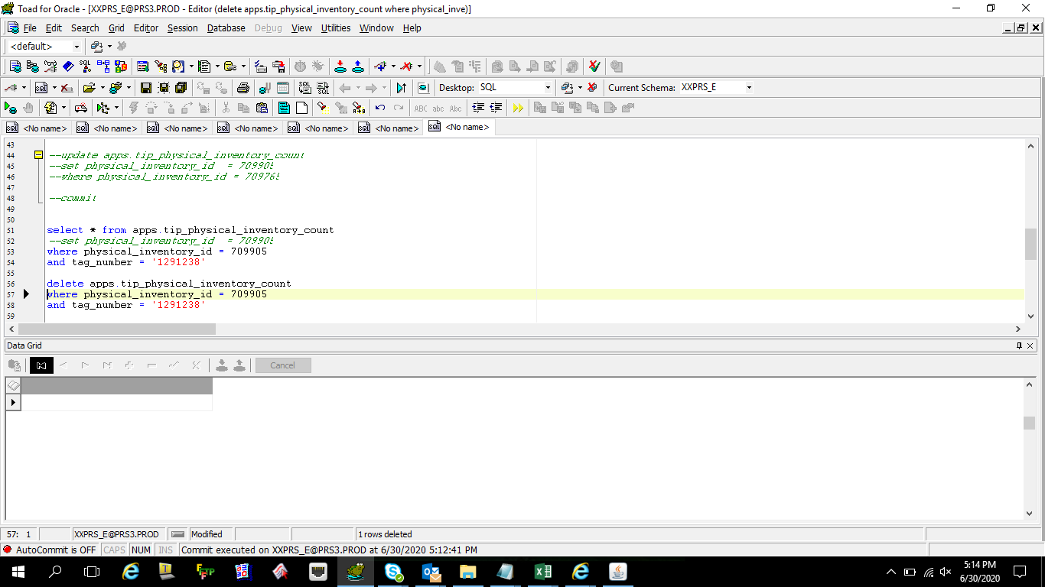

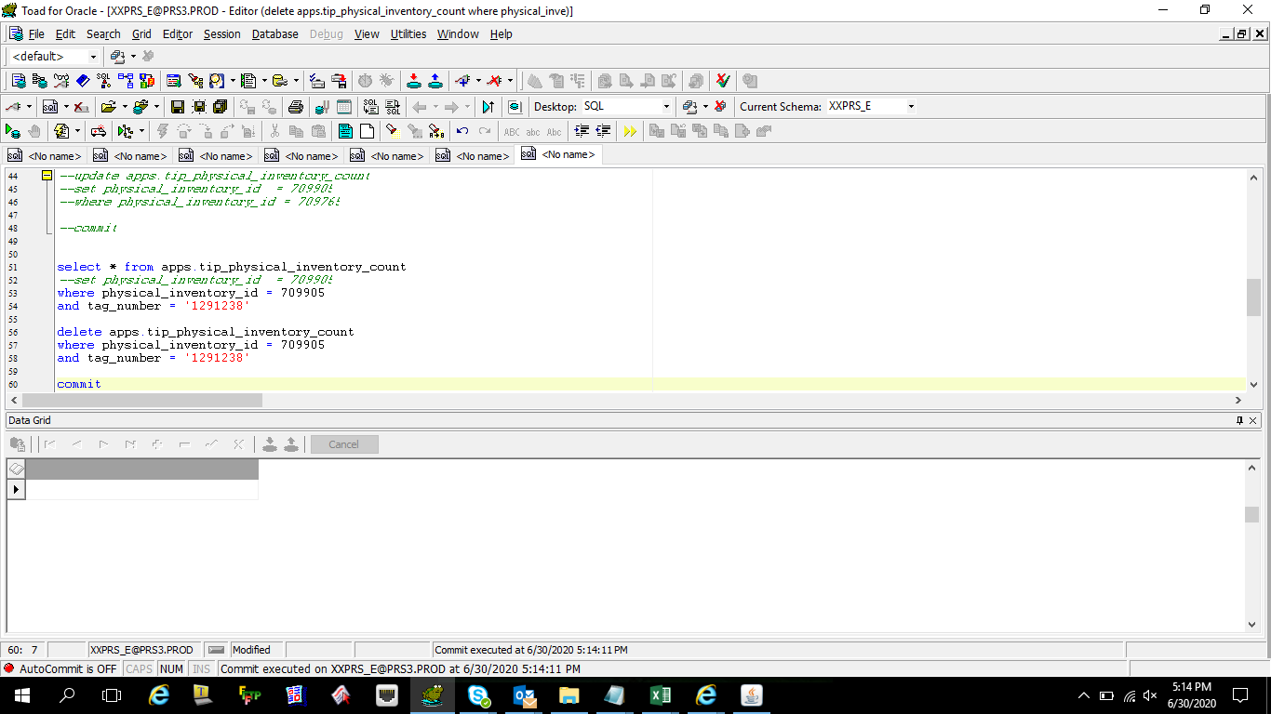

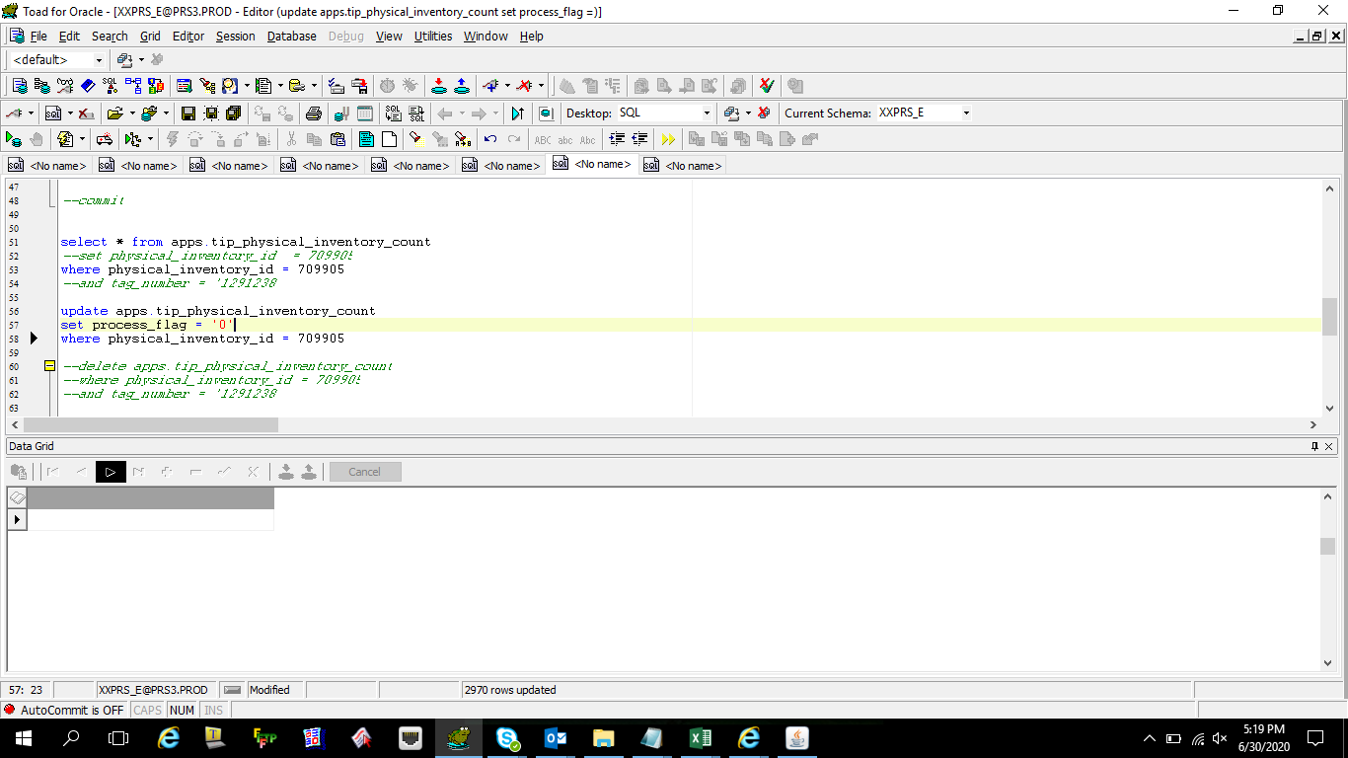

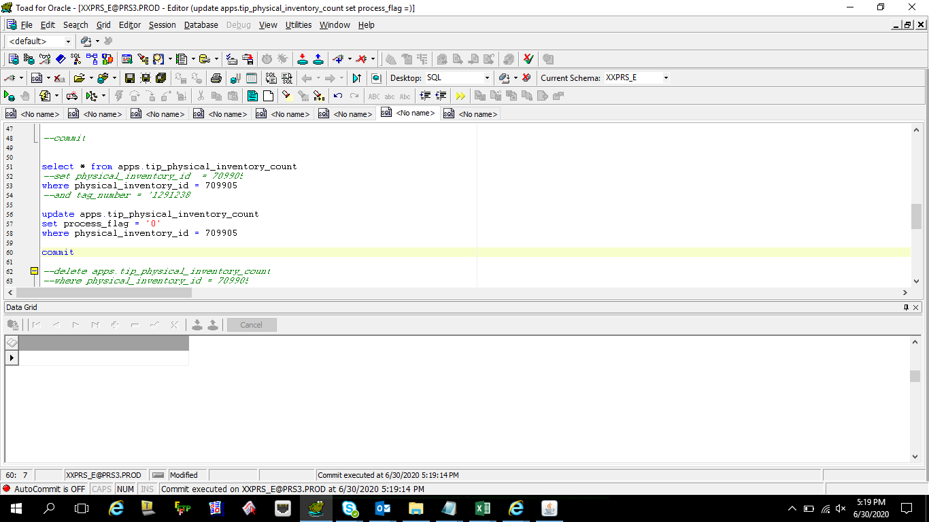

 | select *
 | from apps.mtl_physical_inventories
 | where organization_id = 324
 | --where physical_inventory_id = '709765'
 | order by creation_date desc

 | select * from apps.mtl_physical_adjustments
 | where 1=1
 | and physical_inventory_id = 709904
 | and inventory_item_id in ('2916344','2916416','3468199','3468200','3469201','3469202','3469203','3469204','3469216','3469218','3469219','3469222','3469225','3469229')
 | order by inventory_item_id , creation_date desc

 | --update apps.mtl_physical_adjustments
 | --set physical_inventory_id = 111111
 | -- , approval_status = 1
 | --WHERE physical_inventory_id = 709904
 | --and inventory_item_id in ('2916344','2916416','3468199','3468200','3469201','3469202','3469203','3469204','3469216','3469218','3469219','3469222','3469225','3469229')

 | --commit

 | select * from apps.mtl_physical_adjustments
 | --set approval_status = 1
 | where 1=1
 | and physical_inventory_id = 111111
 | and inventory_item_id in ('2916344','2916416','3468199','3468200','3469201','3469202','3469203','3469204','3469216','3469218','3469219','3469222','3469225','3469229')
 | order by inventory_item_id , creation_date desc

 | --select *-- SUM(transaction_quantity)
 | --from apps.mtl_onhand_quantities
 | --where subinventory_code = 'MDSMAT'
 | ----and transaction_quantity like '%-%'
 | --and inventory_item_id = '2916416'

 | select *
 | from apps.tip_physical_inventory_count
 | where physical_inventory_id = '709826'
 | --where inventory_item_id = '2916416'--in ('2916344','2916416','3468199','3468200','3469201','3469202','3469203','3469204','3469216','3469218','3469219','3469222','3469225','3469229')
 | order by creation_date desc

 | MDSLINE-A2-0620 709905
 | MDSLINE-A-0620 709765

 | --update apps.tip_physical_inventory_count
 | --set physical_inventory_id = 709905
 | --WHERE physical_inventory_id = 709765

 | --commit

 | select * from apps.tip_physical_inventory_count
 | --set physical_inventory_id = 709905
 | where physical_inventory_id = 709905
 | --and tag_number = '1291238'

 | --update apps.tip_physical_inventory_count
 | --set process_flag = '0'
 | --WHERE physical_inventory_id = 709905

 | --commit

 | --delete apps.tip_physical_inventory_count
 | --WHERE physical_inventory_id = 709905
 | --and tag_number = '1291238'

 | --commit

Helpdesk Request
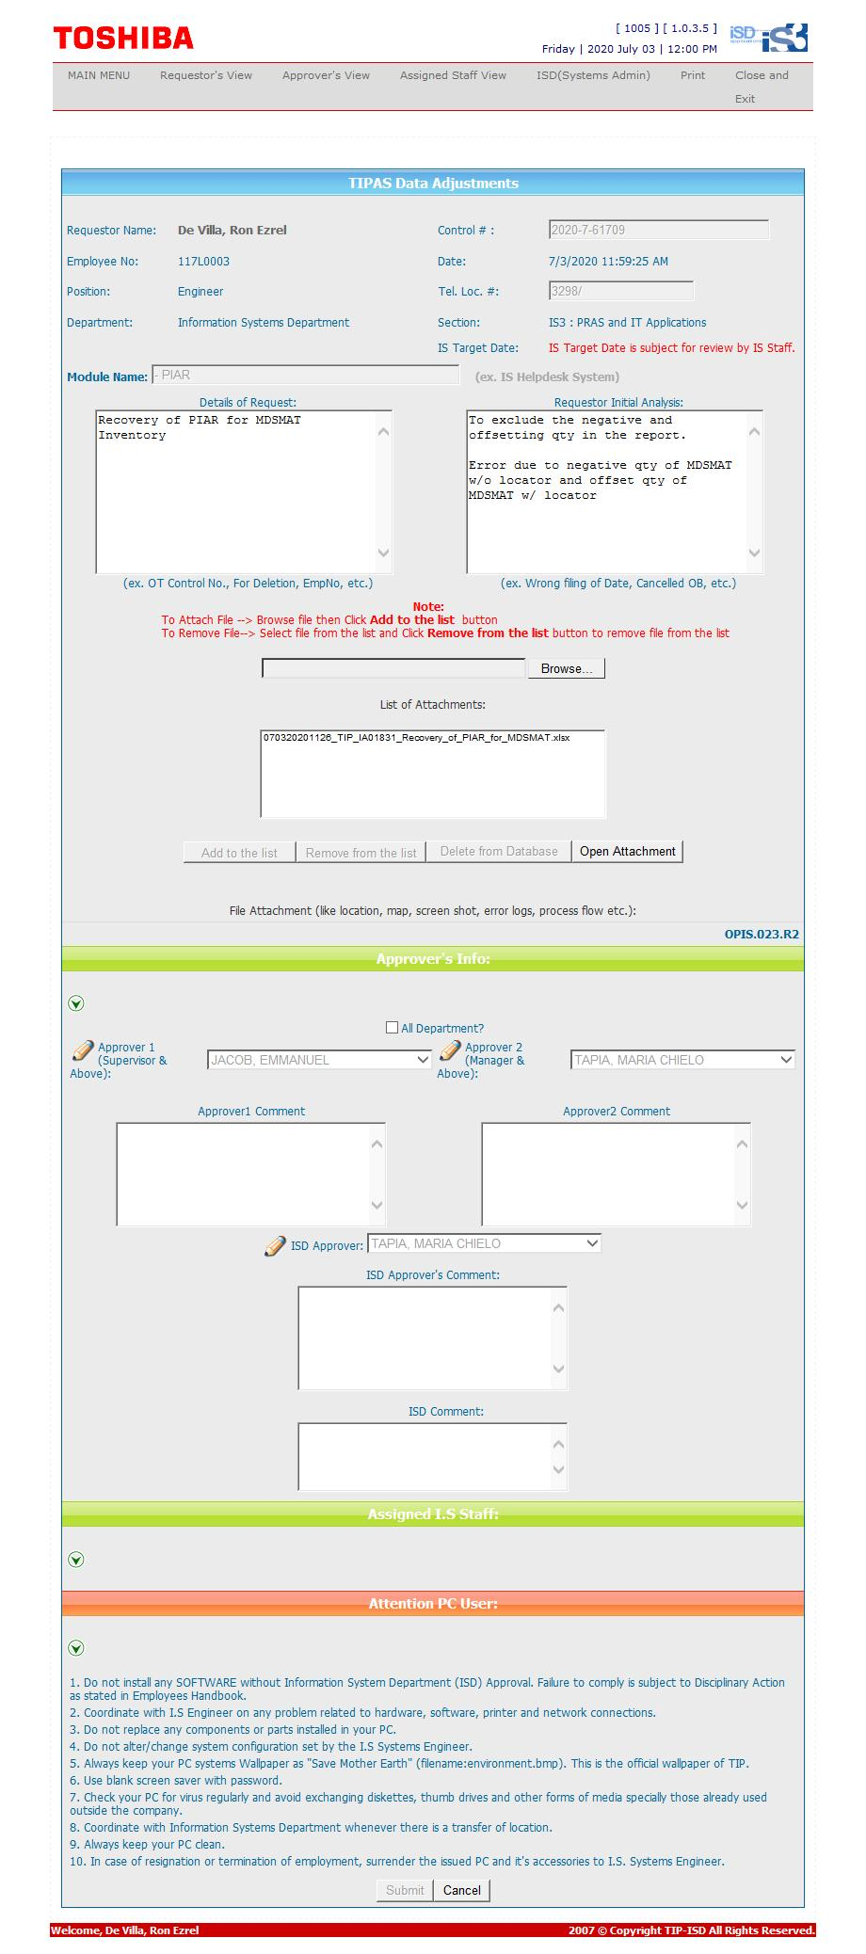
Helpdesk Request

 | ATTACH SCREENSHOT OF HELPDESK REQUEST.

